1 Sample Upper Tail T Test
1 Sample Upper Tail T Test
Is there enough evidence (at α = .05) to conclude that the population mean age for the university students differs significantly from 21 based on the following sample data?
Sample Data | Dummy data to simulate two samples tests | H0: µ ≤ 21, H1: µ > 21,
23 | 21
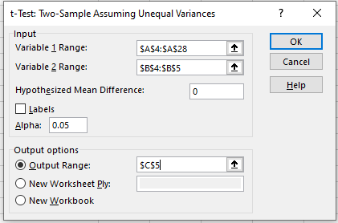
23 | 21
24 | t-Test: Two-Sample Assuming Unequal Variances
20
24 |  | Variable 1 | Variable 2
19 | Mean | 22.76 | 21
22 | Variance | 14.44 | 0
20 | Observations | 25 | 2
21 | Hypothesized Mean Difference | 0
25 | df | 24
23 | t Stat | 2.3157894737
19 | P(T<=t) one-tail | 0.014715836638
24 | t Critical one-tail | 1.7108820799
38 | P(T<=t) two-tail | 0.029431673276
22 | t Critical two-tail | 2.0638985616
23
26
20
19
21
21
23
26
20
23

2 dependent samples
Compares the means of two dependent groups (Paired T Test)
We want to examine if the group of students, which attended the online statistics learning tutorial, performs better on the second exam compared to the first exam.

score1 | score2 | online.tutorial | Random sample of students who took the online training
62 | 61 | 1
71 | 76 | 1 |  | Score 1 | Score 2
66 | 70 | 1 | 1 | 67 | 71 | t-Test: Paired Two Sample for Means
87 | 91 | 1 | 2 | 62 | 64
69 | 46 | 1 | 3 | 60 | 57 |  | Score 2 | Score 1
77 | 80 | 1 | 4 | 53 | 52 | Mean | 69.866666667 | 67
45 | 37 | 1 | 5 | 75 | 77 | Variance | 180.67126437 | 171.37931034
61 | 73 | 1 | 6 | 64 | 79 | Observations | 30 | 30
89 | 90 | 1 | 7 | 43 | 48 | Pearson Correlation | 0.9314211151
65 | 70 | 1 | 8 | 74 | 70 | Hypothesized Mean Difference | 0
72 | 75 | 1 | 9 | 59 | 53 | df | 29
86 | 92 | 1 | 10 | 54 | 58 | t Stat | 3.187976131
78 | 75 | 1 | 11 | 66 | 66 | P(T<=t) one-tail | 0.0017109396881
83 | 73 | 1 | 12 | 81 | 90 | t Critical one-tail | 1.6991270265
71 | 69 | 1 | 13 | 55 | 57 | P(T<=t) two-tail | 0.0034218793763
57 | 58 | 1 | 14 | 64 | 68 | t Critical two-tail | 2.0452296421
63 | 67 | 1 | 15 | 72 | 71
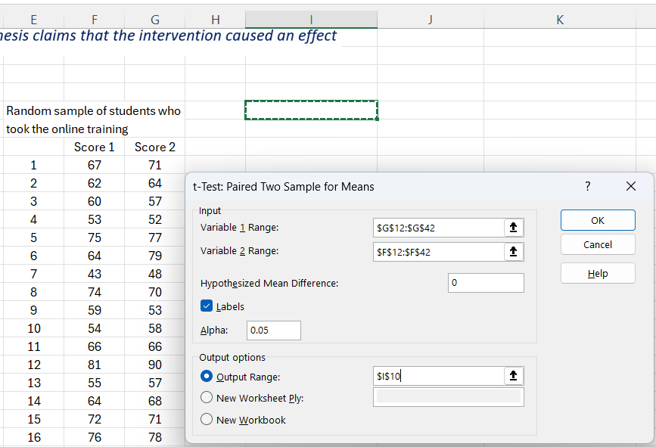
88 | 93 | 1 | 16 | 76 | 78
65 | 63 | 1 | 17 | 75 | 73
89 | 93 | 1 | 18 | 90 | 92
38 | 49 | 1 | 19 | 83 | 90
75 | 83 | 1 | 20 | 64 | 73
76 | 75 | 1 | 21 | 49 | 51
76 | 61 | 1 | 22 | 41 | 51
69 | 68 | 1 | 23 | 75 | 87
63 | 75 | 1 | 24 | 66 | 66
83 | 79 | 1 | 25 | 75 | 74
53 | 46 | 1 | 26 | 49 | 57
72 | 77 | 1 | 27 | 91 | 89
71 | 74 | 1 | 28 | 68 | 69
65 | 65 | 1 | 29 | 72 | 72
43 | 52 | 1 | 30 | 87 | 93
93 | 87 | 1
78 | 90 | 1
80 | 79 | 1
89 | 91 | 1
68 | 76 | 1
64 | 67 | 1
95 | 91 | 1
82 | 80 | 1
75 | 79 | 1
58 | 63 | 1
47 | 54 | 1
61 | 63 | 1
67 | 70 | 1
62 | 65 | 1
90 | 91 | 1
73 | 63 | 1
82 | 84 | 1
72 | 74 | 1
75 | 77 | 1
78 | 80 | 1
51 | 55 | 1
72 | 73 | 1
67 | 66 | 1
57 | 66 | 1
91 | 94 | 1
71 | 69 | 1
49 | 51 | 1
79 | 83 | 1
55 | 62 | 1
65 | 71 | 1
46 | 58 | 1
71 | 79 | 1
72 | 77 | 1
78 | 83 | 1
78 | 85 | 1
72 | 86 | 1
81 | 80 | 1
64 | 70 | 1
57 | 55 | 1
75 | 73 | 1
90 | 92 | 1
83 | 90 | 1
64 | 73 | 1
49 | 51 | 1
41 | 51 | 1
75 | 87 | 1
66 | 66 | 1
75 | 74 | 1
49 | 57 | 1
91 | 89 | 1
68 | 69 | 1
72 | 72 | 1
87 | 93 | 1
85 | 95 | 1
74 | 78 | 1
52 | 62 | 1
71 | 84 | 1
68 | 75 | 1
70 | 76 | 1
40 | 41 | 1
45 | 49 | 1
75 | 81 | 1
67 | 79 | 1
55 | 57 | 1
69 | 74 | 1
64 | 68 | 1
39 | 50 | 1
77 | 81 | 1
78 | 81 | 1
67 | 66 | 1
64 | 65 | 1
77 | 73 | 1
80 | 90 | 1
71 | 76 | 1
75 | 75 | 1
47 | 57 | 1
54 | 49 | 1
61 | 43 | 1
61 | 56 | 1
62 | 67 | 1
78 | 81 | 1
66 | 54 | 1
57 | 65 | 1
76 | 80 | 1
48 | 43 | 1
40 | 43 | 1
72 | 67 | 1
49 | 56 | 1
93 | 89 | 1
65 | 71 | 1
55 | 49 | 1
90 | 91 | 1
62 | 72 | 1
85 | 93 | 1
44 | 43 | 1
89 | 95 | 1
92 | 86 | 1
42 | 47 | 1
46 | 60 | 1
71 | 80 | 1
87 | 89 | 1
46 | 54 | 1
86 | 91 | 1
71 | 75 | 1
55 | 53 | 1
83 | 82 | 1
45 | 43 | 1
51 | 58 | 1
75 | 80 | 1
73 | 75 | 1
66 | 75 | 1
81 | 82 | 1
94 | 91 | 1
59 | 56 | 1
86 | 93 | 1
64 | 71 | 1
75 | 84 | 1
50 | 51 | 1
61 | 48 | 1
45 | 47 | 1
63 | 62 | 1
75 | 81 | 1
71 | 78 | 1
83 | 82 | 1
56 | 45 | 1
56 | 61 | 1
73 | 79 | 1
60 | 57 | 1
69 | 55 | 1
64 | 80 | 1
70 | 71 | 1
54 | 62 | 1
74 | 79 | 1
81 | 83 | 1
89 | 86 | 1
75 | 71 | 1
66 | 68 | 1
75 | 81 | 1
72 | 71 | 1
51 | 57 | 1
66 | 75 | 1
38 | 54 | 1
75 | 71 | 1
37 | 43 | 1
63 | 60 | 1
60 | 69 | 1
78 | 65 | 1
64 | 65 | 1
75 | 64 | 1
86 | 92 | 1
43 | 50 | 1
79 | 88 | 1
44 | 58 | 1
69 | 76 | 1
73 | 71 | 1
74 | 72 | 1
76 | 71 | 1
71 | 72 | 1
85 | 94 | 1
91 | 91 | 1
71 | 76 | 1
75 | 68 | 1
64 | 68 | 1
78 | 72 | 1
76 | 85 | 1
88 | 86 | 1
93 | 90 | 1
63 | 68 | 1
61 | 63 | 1
60 | 64 | 1
75 | 79 | 1
67 | 72 | 1
44 | 40 | 1
82 | 80 | 1
85 | 95 | 1
76 | 73 | 1
79 | 81 | 1
62 | 71 | 1
47 | 31 | 1
70 | 67 | 1
73 | 80 | 1
73 | 69 | 1
50 | 60 | 1
56 | 44 | 1
85 | 88 | 1
72 | 78 | 1
81 | 86 | 1
89 | 90 | 1
49 | 48 | 1
86 | 88 | 1
81 | 79 | 1
85 | 81 | 1
57 | 59 | 1
77 | 70 | 1
47 | 38 | 1
48 | 61 | 1
40 | 46 | 1
70 | 78 | 1
67 | 65 | 1
54 | 61 | 1
83 | 76 | 1
71 | 71 | 1
38 | 58 | 1
44 | 44 | 1
65 | 69 | 1
69 | 77 | 1
63 | 54 | 1
71 | 65 | 1
69 | 65 | 1
72 | 75 | 1
51 | 62 | 1
74 | 87 | 1
69 | 70 | 1
60 | 55 | 1
62 | 60 | 1
73 | 74 | 1
84 | 91 | 1
65 | 70 | 1
68 | 68 | 1
72 | 74 | 1
43 | 49 | 1
46 | 45 | 1
75 | 67 | 1
67 | 67 | 1
87 | 85 | 1
73 | 66 | 1
49 | 50 | 1
73 | 80 | 1
89 | 88 | 1
59 | 70 | 1
85 | 92 | 1
46 | 61 | 1
69 | 65 | 1
64 | 66 | 1
84 | 93 | 1
71 | 76 | 1
89 | 89 | 1
76 | 82 | 1
43 | 38 | 1
88 | 88 | 1
73 | 76 | 1
71 | 72 | 1
37 | 51 | 1
68 | 77 | 1
74 | 77 | 1
71 | 75 | 1
91 | 93 | 1
68 | 69 | 1
90 | 86 | 1
46 | 39 | 1
72 | 75 | 1
71 | 74 | 1
66 | 58 | 1
53 | 56 | 1
84 | 83 | 1
76 | 71 | 1
66 | 66 | 1
76 | 77 | 1
72 | 69 | 1
84 | 86 | 1
68 | 67 | 1
76 | 84 | 1
71 | 70 | 1
79 | 74 | 1
48 | 55 | 1
66 | 78 | 1
56 | 54 | 1
61 | 65 | 1
63 | 50 | 1
39 | 38 | 1
79 | 81 | 1
67 | 65 | 1
68 | 80 | 1
44 | 42 | 1
90 | 92 | 1
52 | 59 | 1
59 | 57 | 1
42 | 43 | 1
59 | 62 | 1
79 | 82 | 1
78 | 82 | 1
58 | 58 | 1
60 | 56 | 1
52 | 56 | 1
76 | 78 | 1
93 | 93 | 1
74 | 70 | 1
54 | 54 | 1
66 | 75 | 1
84 | 82 | 1
76 | 76 | 1
83 | 77 | 1
72 | 72 | 1
66 | 67 | 1
90 | 93 | 1
50 | 41 | 1
74 | 80 | 1
57 | 48 | 1
57 | 54 | 1
71 | 67 | 1
50 | 45 | 1
75 | 78 | 1
87 | 88 | 1
74 | 70 | 1
70 | 72 | 1
77 | 78 | 1
70 | 71 | 1
79 | 65 | 1
44 | 52 | 1
77 | 75 | 1
72 | 65 | 1
72 | 70 | 1
83 | 84 | 1
71 | 57 | 1
57 | 58 | 1
57 | 57 | 1
66 | 79 | 1
80 | 84 | 1
40 | 47 | 1
44 | 41 | 1
52 | 54 | 1
68 | 76 | 1
57 | 60 | 1
79 | 79 | 1
72 | 77 | 1
59 | 72 | 1
73 | 76 | 1
71 | 83 | 1
89 | 91 | 1
71 | 88 | 1
63 | 65 | 1
75 | 77 | 1
86 | 90 | 1
56 | 66 | 1
67 | 71 | 1
77 | 72 | 1
61 | 68 | 1
42 | 45 | 1
51 | 61 | 1
69 | 70 | 1
74 | 75 | 1
67 | 78 | 1
68 | 71 | 1
66 | 71 | 1
56 | 50 | 1
68 | 75 | 1
69 | 76 | 1
75 | 76 | 1
47 | 44 | 1
65 | 75 | 1
69 | 73 | 1
73 | 72 | 1
69 | 74 | 1
68 | 72 | 1
44 | 50 | 1
70 | 70 | 1
53 | 46 | 1
71 | 76 | 1
77 | 59 | 1
77 | 80 | 1
66 | 77 | 1
81 | 90 | 1
70 | 79 | 1
83 | 81 | 1
49 | 55 | 1
74 | 73 | 1
76 | 81 | 1
90 | 91 | 1
75 | 65 | 1
77 | 65 | 1
44 | 47 | 1
74 | 85 | 1
45 | 45 | 1
77 | 80 | 1
65 | 70 | 1
42 | 50 | 1
87 | 94 | 1
82 | 79 | 1
77 | 64 | 1
84 | 94 | 1
65 | 75 | 1
72 | 73 | 1
71 | 76 | 1
70 | 72 | 1
78 | 81 | 1
42 | 37 | 1
63 | 73 | 1
37 | 48 | 1
55 | 57 | 1
75 | 78 | 1
48 | 59 | 1
72 | 75 | 1
45 | 46 | 1
66 | 69 | 1
80 | 77 | 1
91 | 89 | 1
86 | 91 | 1
44 | 42 | 1
76 | 79 | 1
84 | 85 | 1
62 | 69 | 1
44 | 46 | 1
90 | 86 | 1
69 | 73 | 1
70 | 72 | 1
75 | 72 | 1
77 | 72 | 1
63 | 66 | 1
56 | 71 | 1
93 | 93 | 1
74 | 73 | 1
74 | 79 | 1
85 | 93 | 1
50 | 43 | 1
87 | 92 | 1
73 | 77 | 1
62 | 52 | 1
67 | 70 | 1
65 | 67 | 1
74 | 78 | 1
51 | 56 | 1
81 | 87 | 1
71 | 72 | 1
88 | 91 | 1
63 | 64 | 1
43 | 45 | 1
88 | 92 | 1
73 | 77 | 1
63 | 69 | 1
61 | 51 | 1
74 | 74 | 1
73 | 76 | 1
70 | 78 | 1
72 | 81 | 1
78 | 77 | 1
75 | 72 | 1
66 | 66 | 1
85 | 86 | 1
93 | 92 | 1
52 | 57 | 1
77 | 81 | 1
70 | 80 | 1
85 | 93 | 1
84 | 78 | 1
69 | 76 | 1
76 | 80 | 1
75 | 86 | 1
75 | 76 | 1
64 | 69 | 1
40 | 44 | 1
80 | 78 | 1
74 | 85 | 1
63 | 76 | 1
63 | 63 | 1
81 | 73 | 1
82 | 83 | 1
73 | 80 | 1
65 | 66 | 1
77 | 77 | 1
67 | 71 | 1
59 | 59 | 1
78 | 78 | 1
88 | 92 | 1
79 | 85 | 1
56 | 70 | 1
61 | 59 | 1
50 | 47 | 1
73 | 71 | 1
43 | 52 | 1
91 | 91 | 1
91 | 92 | 1
49 | 44 | 1
64 | 73 | 1
76 | 75 | 1
81 | 88 | 1
76 | 74 | 1
64 | 66 | 1
66 | 75 | 1
39 | 41 | 1
54 | 61 | 1
69 | 79 | 1
81 | 78 | 1
72 | 79 | 1
71 | 65 | 1
74 | 64 | 1
86 | 80 | 1
55 | 58 | 1
63 | 68 | 1
85 | 81 | 1
48 | 60 | 1
72 | 58 | 1
78 | 74 | 1
46 | 44 | 1
71 | 66 | 1
72 | 69 | 1
46 | 47 | 1
69 | 50 | 1
71 | 77 | 1
89 | 93 | 1
43 | 48 | 1
94 | 93 | 1
88 | 91 | 1
70 | 66 | 1
52 | 58 | 1
38 | 53 | 1
80 | 80 | 1
83 | 83 | 1
70 | 76 | 1
89 | 89 | 1
50 | 53 | 1
66 | 66 | 1
54 | 56 | 1
93 | 90 | 1
52 | 62 | 1
70 | 75 | 1
52 | 60 | 1
59 | 53 | 1
57 | 75 | 1
80 | 82 | 1
91 | 93 | 1
90 | 86 | 1
53 | 44 | 1
70 | 69 | 1
45 | 39 | 1
52 | 63 | 1
61 | 55 | 1
53 | 52 | 1
72 | 72 | 1
74 | 73 | 1
73 | 66 | 1
78 | 77 | 1
66 | 72 | 1
80 | 77 | 1
60 | 60 | 1
79 | 81 | 1
45 | 57 | 1
89 | 95 | 1
51 | 61 | 1
71 | 67 | 1
81 | 80 | 1
85 | 75 | 1
31 | 49 | 1
83 | 91 | 1
69 | 71 | 1
80 | 79 | 1
69 | 79 | 1
80 | 74 | 1
47 | 34 | 1
77 | 76 | 1
41 | 44 | 1
74 | 71 | 1
72 | 80 | 1
85 | 80 | 1
67 | 77 | 1
75 | 78 | 1
45 | 44 | 1
47 | 47 | 1
71 | 75 | 1
56 | 57 | 1
83 | 79 | 1
90 | 96 | 1
55 | 53 | 1
66 | 66 | 1
77 | 81 | 1
72 | 79 | 1
74 | 84 | 1
72 | 74 | 1
77 | 82 | 1
73 | 78 | 1
53 | 61 | 1
69 | 73 | 1
56 | 57 | 1
59 | 58 | 1
48 | 52 | 1
81 | 66 | 1
89 | 94 | 1
67 | 70 | 1
74 | 78 | 1
64 | 70 | 1
46 | 44 | 1
80 | 82 | 1
76 | 85 | 1
41 | 54 | 1
45 | 44 | 1
64 | 74 | 1
72 | 81 | 1
63 | 72 | 1
70 | 66 | 1
76 | 70 | 1
69 | 67 | 1
61 | 70 | 1
76 | 81 | 1
60 | 65 | 1
90 | 95 | 1
52 | 46 | 1
69 | 71 | 1
83 | 70 | 1
76 | 81 | 1
64 | 71 | 1
75 | 70 | 1
83 | 80 | 1
73 | 70 | 1
91 | 88 | 1
71 | 73 | 1
43 | 41 | 1
58 | 76 | 1
58 | 63 | 1
69 | 68 | 1
86 | 88 | 1
56 | 63 | 1
64 | 74 | 1
75 | 74 | 1
62 | 66 | 1
69 | 73 | 1
71 | 81 | 1
86 | 90 | 1
71 | 82 | 1
72 | 83 | 1
65 | 77 | 1
41 | 49 | 1
71 | 76 | 1
63 | 62 | 1
93 | 90 | 1
79 | 84 | 1
74 | 75 | 1
76 | 82 | 1
64 | 66 | 1
82 | 91 | 1
49 | 48 | 1
51 | 61 | 1
50 | 54 | 1
82 | 79 | 1
62 | 55 | 1
59 | 62 | 1
54 | 65 | 1
59 | 61 | 1
40 | 45 | 1
44 | 62 | 1
69 | 77 | 1
69 | 63 | 1
69 | 72 | 1
82 | 84 | 1
57 | 51 | 1
57 | 49 | 1
35 | 52 | 1
59 | 61 | 1
74 | 67 | 1
59 | 47 | 1
55 | 58 | 1
89 | 91 | 1
77 | 71 | 1
79 | 82 | 1
75 | 64 | 1
36 | 46 | 1
74 | 84 | 1
78 | 81 | 1
72 | 73 | 1
55 | 65 | 1
74 | 76 | 1
91 | 94 | 1
77 | 70 | 1
76 | 81 | 1
75 | 76 | 1
46 | 33 | 1
80 | 86 | 1
56 | 53 | 1
46 | 53 | 1
82 | 76 | 1
38 | 53 | 1
72 | 81 | 1
57 | 51 | 1
69 | 72 | 1
42 | 53 | 1
67 | 67 | 1
47 | 58 | 1
72 | 78 | 1
67 | 75 | 1
53 | 63 | 1
79 | 77 | 1
70 | 72 | 1
62 | 70 | 1
72 | 86 | 1
52 | 56 | 1
46 | 58 | 1
74 | 79 | 1
44 | 58 | 1
88 | 94 | 1
68 | 71 | 1
65 | 73 | 1
62 | 70 | 1
75 | 73 | 1
69 | 65 | 1
85 | 86 | 1
91 | 94 | 1
54 | 58 | 1
87 | 93 | 1
80 | 78 | 1
71 | 84 | 1
75 | 84 | 1
80 | 83 | 1
80 | 82 | 1
47 | 49 | 1
77 | 85 | 1
56 | 63 | 1
78 | 75 | 1
86 | 94 | 1
62 | 67 | 1
83 | 80 | 1
77 | 81 | 1
88 | 88 | 1
50 | 49 | 1
39 | 45 | 1
83 | 78 | 1
70 | 74 | 1
67 | 65 | 1
67 | 64 | 1
67 | 70 | 1
61 | 60 | 1
44 | 45 | 1
85 | 91 | 1
78 | 72 | 1
76 | 83 | 1
70 | 77 | 1
87 | 89 | 1
90 | 91 | 1
66 | 75 | 1
86 | 94 | 1
62 | 55 | 1
74 | 83 | 1
68 | 72 | 1
42 | 53 | 1
68 | 74 | 1
52 | 42 | 1
39 | 54 | 1
48 | 54 | 1
47 | 52 | 1
76 | 79 | 1
45 | 39 | 1
68 | 70 | 1
67 | 57 | 1
75 | 74 | 1
48 | 47 | 1
46 | 44 | 1
67 | 75 | 1
77 | 73 | 1
54 | 62 | 1
39 | 43 | 1
74 | 75 | 1
79 | 83 | 1
55 | 61 | 1
63 | 56 | 1
79 | 86 | 1
45 | 41 | 1
49 | 53 | 1
95 | 91 | 1
76 | 83 | 1
67 | 72 | 1
71 | 74 | 1
45 | 43 | 1
63 | 67 | 1
83 | 78 | 1
65 | 69 | 1
75 | 75 | 1
48 | 54 | 1
90 | 89 | 1
70 | 75 | 1
70 | 77 | 1
79 | 72 | 1
45 | 48 | 1
66 | 54 | 1
78 | 88 | 1
43 | 43 | 1
57 | 60 | 1
59 | 74 | 1
45 | 42 | 1
79 | 82 | 1
92 | 90 | 1
40 | 45 | 1
59 | 59 | 1
68 | 73 | 1
40 | 46 | 1
68 | 68 | 1
63 | 64 | 1
52 | 58 | 1
71 | 72 | 1
55 | 49 | 1
77 | 79 | 1
65 | 87 | 1
71 | 77 | 1
44 | 58 | 1
88 | 91 | 1
67 | 72 | 1
70 | 76 | 1
68 | 73 | 1
50 | 50 | 1
76 | 74 | 1
81 | 71 | 1
77 | 87 | 1
74 | 80 | 1
43 | 46 | 1
82 | 72 | 1
55 | 52 | 1
76 | 83 | 1
71 | 69 | 1
58 | 51 | 1
74 | 72 | 1
50 | 61 | 1
60 | 60 | 1
74 | 80 | 1
74 | 71 | 1
77 | 73 | 1
55 | 50 | 1
92 | 93 | 1
93 | 86 | 1
72 | 80 | 1
82 | 74 | 1
54 | 61 | 1
74 | 70 | 1
58 | 74 | 1
58 | 54 | 1
39 | 44 | 1
67 | 69 | 1
89 | 93 | 1
93 | 93 | 1
65 | 72 | 1
65 | 66 | 1
42 | 44 | 1
91 | 91 | 1
67 | 69 | 1
83 | 91 | 1
48 | 58 | 1
52 | 62 | 1
65 | 72 | 1
54 | 56 | 1
44 | 40 | 1
67 | 68 | 1
77 | 66 | 1
63 | 74 | 1
66 | 74 | 1
78 | 85 | 1
48 | 60 | 1
77 | 78 | 1
74 | 75 | 1
49 | 62 | 1
78 | 77 | 1
53 | 54 | 1
83 | 80 | 1
75 | 87 | 1
62 | 65 | 1
64 | 62 | 1
77 | 78 | 1
68 | 67 | 1
46 | 43 | 1
71 | 83 | 1
73 | 81 | 1
84 | 92 | 1
73 | 74 | 1
71 | 75 | 1
57 | 66 | 1
41 | 49 | 1
65 | 68 | 1
72 | 70 | 1
70 | 63 | 1
78 | 78 | 1
45 | 50 | 1
62 | 67 | 1
69 | 81 | 1
85 | 90 | 1
92 | 91 | 1
91 | 90 | 1
70 | 77 | 1
73 | 80 | 1
46 | 62 | 1
89 | 92 | 1
48 | 43 | 1
89 | 83 | 1
50 | 44 | 1
85 | 91 | 1
74 | 73 | 1
78 | 83 | 1
49 | 48 | 1
67 | 65 | 1
76 | 74 | 1
82 | 84 | 1
46 | 55 | 1
74 | 74 | 1
45 | 44 | 1
79 | 83 | 1
59 | 50 | 1
63 | 74 | 1
70 | 77 | 1
59 | 52 | 1
43 | 50 | 1
66 | 71 | 1
53 | 46 | 1
46 | 47 | 1
68 | 64 | 1
55 | 58 | 1
55 | 58 | 1
74 | 80 | 1
45 | 44 | 1
73 | 76 | 1
85 | 92 | 1
73 | 84 | 1
68 | 72 | 1
65 | 76 | 1
73 | 71 | 1
45 | 35 | 1
51 | 46 | 1
56 | 51 | 1
53 | 38 | 1
78 | 82 | 1
67 | 78 | 1
78 | 77 | 1
88 | 92 | 1
48 | 42 | 1
62 | 67 | 1
88 | 90 | 1
76 | 75 | 1
71 | 67 | 1
67 | 67 | 1
85 | 81 | 1
69 | 67 | 1
65 | 72 | 1
69 | 54 | 1
74 | 82 | 1
87 | 93 | 1
71 | 78 | 1
52 | 63 | 1
50 | 58 | 1
37 | 60 | 1
89 | 85 | 1
69 | 80 | 1
62 | 59 | 1
67 | 57 | 1
75 | 82 | 1
67 | 66 | 1
84 | 92 | 1
37 | 46 | 1
49 | 35 | 1
41 | 44 | 1
60 | 59 | 1
69 | 78 | 1
76 | 76 | 1
72 | 73 | 1
88 | 87 | 1
50 | 58 | 1
49 | 62 | 1
93 | 87 | 1
80 | 89 | 1
85 | 87 | 1
72 | 82 | 1
82 | 76 | 1
62 | 64 | 1
66 | 65 | 1
49 | 61 | 1
70 | 75 | 1
66 | 69 | 1
87 | 94 | 1
49 | 61 | 1
92 | 85 | 1
74 | 76 | 1
68 | 73 | 1
79 | 74 | 1
71 | 68 | 1
49 | 42 | 1
53 | 47 | 1
81 | 77 | 1
53 | 57 | 1
73 | 86 | 1
45 | 40 | 1
78 | 82 | 1
69 | 77 | 1
77 | 82 | 1
89 | 95 | 1
63 | 70 | 1
57 | 60 | 1
74 | 80 | 1
73 | 74 | 1
67 | 68 | 1
65 | 76 | 1
46 | 44 | 1
85 | 86 | 1
47 | 40 | 1
37 | 47 | 1
61 | 51 | 1
81 | 86 | 1
63 | 67 | 1
50 | 55 | 1
70 | 73 | 1
57 | 60 | 1
73 | 77 | 1
73 | 65 | 1
78 | 76 | 1
68 | 66 | 1
64 | 73 | 1
60 | 67 | 1
67 | 62 | 1
83 | 80 | 1
87 | 90 | 1
72 | 80 | 1
80 | 84 | 1
74 | 74 | 1
60 | 51 | 1
67 | 77 | 1
50 | 51 | 1
85 | 89 | 1
71 | 70 | 1
58 | 52 | 1
59 | 60 | 1
70 | 80 | 1
73 | 66 | 1
62 | 58 | 1
47 | 50 | 1
65 | 71 | 1
65 | 64 | 1
72 | 74 | 1
79 | 73 | 1
76 | 74 | 1
70 | 70 | 1
81 | 81 | 1
78 | 77 | 1
95 | 92 | 1
69 | 78 | 1
79 | 82 | 1
61 | 73 | 1
64 | 49 | 1
75 | 82 | 1
78 | 68 | 1
78 | 79 | 1
62 | 62 | 1
82 | 86 | 1
46 | 50 | 1
81 | 73 | 1
70 | 70 | 1
53 | 53 | 1
76 | 80 | 1
88 | 91 | 1
61 | 77 | 1
44 | 46 | 1
67 | 75 | 1
86 | 95 | 1
75 | 70 | 1
71 | 79 | 1
88 | 98 | 1
81 | 82 | 1
54 | 57 | 1
72 | 79 | 1
40 | 47 | 1
72 | 82 | 1
84 | 79 | 1
63 | 85 | 1
68 | 69 | 1
89 | 93 | 1
59 | 60 | 1
90 | 94 | 1
68 | 75 | 1
44 | 51 | 1
50 | 55 | 1
46 | 47 | 1
77 | 77 | 1
73 | 64 | 1
64 | 72 | 1
51 | 58 | 1
89 | 92 | 1
48 | 43 | 1
74 | 75 | 1
38 | 41 | 1
75 | 74 | 1
70 | 79 | 1
43 | 49 | 1
48 | 41 | 1
53 | 58 | 1
55 | 56 | 1
42 | 43 | 1
73 | 62 | 1
91 | 87 | 1
80 | 85 | 1
64 | 67 | 1
46 | 43 | 1
90 | 93 | 1
43 | 51 | 1
55 | 55 | 1
65 | 69 | 1
81 | 74 | 1
42 | 45 | 1
40 | 45 | 1
59 | 66 | 1
67 | 69 | 1
51 | 60 | 1
52 | 53 | 1
91 | 94 | 1
84 | 87 | 1
72 | 74 | 1
89 | 90 | 1
77 | 71 | 1
90 | 94 | 1
75 | 66 | 1
55 | 61 | 1
40 | 57 | 1
66 | 73 | 1
57 | 53 | 1
69 | 73 | 1
87 | 92 | 1
69 | 74 | 1
81 | 81 | 1
66 | 67 | 1
91 | 96 | 1
84 | 95 | 1
51 | 47 | 1
63 | 65 | 1
73 | 69 | 1
71 | 65 | 1
69 | 74 | 1
67 | 60 | 1
82 | 96 | 1
86 | 85 | 1
64 | 63 | 1
64 | 73 | 1
78 | 73 | 1
93 | 92 | 1
55 | 49 | 1
64 | 71 | 1
53 | 62 | 1
88 | 96 | 1
76 | 74 | 1
91 | 96 | 1
48 | 58 | 1
40 | 44 | 1
58 | 59 | 1
73 | 76 | 1
81 | 85 | 1
58 | 61 | 1
61 | 57 | 1
87 | 91 | 1
75 | 74 | 1
60 | 68 | 1
55 | 59 | 1
79 | 71 | 1
43 | 43 | 1
50 | 40 | 1
74 | 65 | 1
50 | 68 | 1
57 | 51 | 1
69 | 74 | 1
75 | 82 | 1
72 | 76 | 1
82 | 86 | 1
41 | 45 | 1
76 | 79 | 1
74 | 72 | 1
38 | 59 | 1
79 | 68 | 1
85 | 87 | 1
69 | 64 | 1
57 | 46 | 1
73 | 76 | 1
69 | 83 | 1
72 | 69 | 1
58 | 66 | 1
45 | 39 | 1
50 | 53 | 1
72 | 70 | 1
70 | 74 | 1
68 | 78 | 1
67 | 70 | 1
74 | 83 | 1
67 | 59 | 1
71 | 69 | 1
76 | 75 | 1
70 | 68 | 1
46 | 54 | 1
77 | 72 | 1
79 | 80 | 1
49 | 58 | 1
74 | 78 | 1
71 | 81 | 1
70 | 73 | 1
77 | 70 | 1
49 | 59 | 1
77 | 78 | 1
71 | 65 | 1
75 | 79 | 1
54 | 55 | 1
67 | 68 | 1
39 | 46 | 1
87 | 87 | 1
48 | 54 | 1
89 | 92 | 1
84 | 79 | 1
73 | 70 | 1
78 | 77 | 1
81 | 90 | 1
47 | 49 | 1
42 | 51 | 1
79 | 82 | 1
79 | 74 | 1
75 | 80 | 1
56 | 56 | 1
69 | 74 | 1
70 | 64 | 1
74 | 72 | 1
77 | 73 | 1
93 | 87 | 1
42 | 42 | 1
74 | 69 | 1
69 | 62 | 1
52 | 54 | 1
88 | 90 | 1
66 | 65 | 1
76 | 84 | 1
66 | 72 | 1
61 | 80 | 1
75 | 79 | 1
55 | 56 | 1
70 | 68 | 1
90 | 90 | 1
42 | 52 | 1
44 | 51 | 1
45 | 40 | 1
41 | 42 | 1
52 | 54 | 1
77 | 80 | 1
71 | 68 | 1
82 | 94 | 1
73 | 84 | 1
77 | 86 | 1
88 | 87 | 1
50 | 46 | 1
35 | 38 | 1
91 | 87 | 1
67 | 63 | 1
68 | 77 | 1
71 | 77 | 1
72 | 81 | 1
68 | 60 | 1
85 | 91 | 1
69 | 70 | 1
87 | 91 | 1
94 | 89 | 1
78 | 76 | 1
51 | 60 | 1
52 | 50 | 1
86 | 92 | 1
73 | 77 | 1
88 | 93 | 1
81 | 83 | 1
61 | 71 | 1
41 | 48 | 1
58 | 47 | 1
46 | 44 | 1
88 | 86 | 1
76 | 83 | 1
80 | 85 | 1
70 | 82 | 1
85 | 88 | 1
77 | 72 | 1
64 | 57 | 1
62 | 65 | 1
76 | 78 | 1
88 | 93 | 1
66 | 60 | 1
52 | 45 | 1
80 | 84 | 1
88 | 90 | 1
61 | 81 | 1
83 | 78 | 1
85 | 95 | 1
41 | 41 | 1
66 | 63 | 1
62 | 48 | 1
91 | 88 | 1
45 | 63 | 1
62 | 75 | 1
74 | 79 | 1
68 | 78 | 1
79 | 77 | 1
79 | 80 | 1
71 | 68 | 1
79 | 72 | 1
73 | 74 | 1
71 | 63 | 1
76 | 72 | 1
43 | 43 | 1
67 | 60 | 1
95 | 94 | 1
56 | 61 | 1
90 | 89 | 1
72 | 63 | 1
76 | 82 | 1
64 | 66 | 1
88 | 90 | 1
47 | 44 | 1
75 | 80 | 1
63 | 67 | 1
74 | 78 | 1
77 | 81 | 1
53 | 64 | 1
77 | 72 | 1
62 | 61 | 1
70 | 71 | 1
90 | 90 | 1
56 | 65 | 1
77 | 74 | 1
40 | 47 | 1
86 | 81 | 1
66 | 66 | 1
83 | 93 | 1
70 | 76 | 1
65 | 73 | 1
42 | 56 | 1
61 | 73 | 1
91 | 95 | 1
62 | 76 | 1
75 | 78 | 1
75 | 76 | 1
77 | 70 | 1
68 | 66 | 1
46 | 47 | 1
73 | 68 | 1
91 | 85 | 1
66 | 65 | 1
75 | 79 | 1
55 | 46 | 1
75 | 76 | 1
51 | 56 | 1
64 | 72 | 1
79 | 78 | 1
63 | 68 | 1
79 | 69 | 1
52 | 53 | 1
63 | 70 | 1
73 | 80 | 1
89 | 89 | 1
54 | 57 | 1
38 | 48 | 1
71 | 83 | 1
63 | 56 | 1
76 | 81 | 1
80 | 79 | 1
73 | 83 | 1
77 | 84 | 1
71 | 76 | 1
47 | 46 | 1
58 | 64 | 1
40 | 50 | 1
73 | 82 | 1
31 | 46 | 1
71 | 73 | 1
65 | 67 | 1
77 | 74 | 1
78 | 74 | 1
74 | 68 | 1
89 | 95 | 1
40 | 45 | 1
67 | 74 | 1
72 | 86 | 1
74 | 72 | 1
42 | 46 | 1
60 | 64 | 1
75 | 66 | 1
86 | 91 | 1
66 | 71 | 1
71 | 77 | 1
74 | 79 | 1
57 | 57 | 1
90 | 93 | 1
95 | 94 | 1
62 | 70 | 1
71 | 76 | 1
58 | 54 | 1
58 | 59 | 1
73 | 69 | 1
51 | 54 | 1
71 | 72 | 1
88 | 90 | 1
88 | 89 | 1
82 | 80 | 1
87 | 92 | 1
79 | 79 | 1
72 | 84 | 1
72 | 88 | 1
72 | 73 | 1
75 | 67 | 1
65 | 78 | 1
63 | 57 | 1
36 | 47 | 1
88 | 92 | 1
61 | 56 | 1
78 | 78 | 1
82 | 94 | 1
63 | 52 | 1
89 | 87 | 1
66 | 69 | 1
76 | 79 | 1
89 | 93 | 1
83 | 86 | 1
90 | 91 | 1
30 | 47 | 1
69 | 65 | 1
86 | 73 | 1
89 | 86 | 1
89 | 86 | 1
37 | 52 | 1
49 | 45 | 1
44 | 41 | 1
78 | 78 | 1
71 | 70 | 1
86 | 92 | 1
77 | 75 | 1
70 | 78 | 1
89 | 82 | 1
76 | 78 | 1
67 | 70 | 1
49 | 49 | 1
43 | 48 | 1
68 | 80 | 1
57 | 47 | 1
63 | 69 | 1
72 | 65 | 1
68 | 73 | 1
50 | 55 | 1
71 | 81 | 1
72 | 70 | 1
73 | 69 | 1
78 | 78 | 1
66 | 72 | 1
50 | 53 | 1
76 | 72 | 1
57 | 62 | 1
73 | 85 | 1
88 | 93 | 1
62 | 72 | 1
44 | 46 | 1
75 | 79 | 1
48 | 60 | 1
58 | 60 | 1
43 | 48 | 1
53 | 58 | 1
57 | 55 | 1
73 | 74 | 1
73 | 77 | 1
77 | 76 | 1
44 | 35 | 1
83 | 93 | 1
73 | 78 | 1
70 | 78 | 1
69 | 75 | 1
64 | 70 | 1
43 | 51 | 1
46 | 39 | 1
63 | 75 | 1
77 | 89 | 1
63 | 64 | 1
87 | 81 | 1
66 | 62 | 1
55 | 60 | 1
69 | 78 | 1
65 | 74 | 1
94 | 92 | 1
80 | 73 | 1
50 | 49 | 1
42 | 47 | 1
65 | 77 | 1
90 | 88 | 1
47 | 49 | 1
73 | 65 | 1
74 | 73 | 1
63 | 77 | 1
93 | 86 | 1
81 | 72 | 1
87 | 89 | 1
52 | 49 | 1
88 | 92 | 1
54 | 42 | 1
72 | 72 | 1
77 | 72 | 1
68 | 71 | 1
40 | 44 | 1
69 | 69 | 1
53 | 62 | 1
53 | 48 | 1
61 | 80 | 1
60 | 53 | 1
87 | 91 | 1
84 | 80 | 1
78 | 72 | 1
84 | 93 | 1
53 | 39 | 1
86 | 95 | 1
39 | 48 | 1
63 | 70 | 1
83 | 83 | 1
82 | 82 | 1
57 | 51 | 1
54 | 53 | 1
79 | 82 | 1
45 | 45 | 1
70 | 70 | 1
61 | 60 | 1
54 | 63 | 1
80 | 78 | 1
75 | 87 | 1
79 | 81 | 1
76 | 80 | 1
62 | 56 | 1
80 | 80 | 1
61 | 47 | 1
67 | 72 | 1
77 | 73 | 1
49 | 54 | 1
71 | 79 | 1
48 | 61 | 1
79 | 82 | 1
55 | 56 | 1
90 | 86 | 1
62 | 54 | 1
69 | 73 | 1
71 | 66 | 1
79 | 76 | 1
89 | 95 | 1
46 | 45 | 1
53 | 57 | 1
54 | 56 | 1
43 | 41 | 1
71 | 75 | 1
87 | 93 | 1
67 | 69 | 1
85 | 92 | 1
64 | 56 | 1
45 | 51 | 1
60 | 57 | 1
62 | 74 | 1
51 | 62 | 1
90 | 92 | 1
91 | 94 | 1
56 | 60 | 1
41 | 41 | 1
81 | 76 | 1
67 | 72 | 1
72 | 74 | 1
67 | 75 | 1
72 | 76 | 1
78 | 77 | 1
73 | 70 | 1
72 | 81 | 1
69 | 69 | 1
68 | 72 | 1
63 | 60 | 1
71 | 80 | 1
86 | 79 | 1
73 | 77 | 1
78 | 79 | 1
60 | 60 | 1
49 | 62 | 1
46 | 45 | 1
78 | 62 | 1
77 | 77 | 1
48 | 41 | 1
60 | 58 | 1
75 | 80 | 1
79 | 83 | 1
86 | 90 | 1
49 | 63 | 1
35 | 42 | 1
95 | 93 | 1
36 | 36 | 1
90 | 85 | 1
51 | 37 | 1
58 | 76 | 1
42 | 47 | 1
91 | 87 | 1
56 | 49 | 1
82 | 78 | 1
69 | 63 | 1
78 | 78 | 1
57 | 69 | 1
67 | 71 | 1
66 | 63 | 1
69 | 73 | 1
36 | 51 | 1
68 | 67 | 1
83 | 80 | 1
77 | 77 | 1
90 | 95 | 1
43 | 48 | 1
74 | 75 | 1
68 | 70 | 1
72 | 80 | 1
57 | 50 | 1
72 | 79 | 1
93 | 86 | 1
77 | 75 | 1
41 | 44 | 1
74 | 83 | 1
84 | 80 | 1
71 | 81 | 1
69 | 70 | 1
36 | 47 | 1
79 | 74 | 1
88 | 92 | 1
42 | 49 | 1
88 | 92 | 1
83 | 92 | 1
80 | 73 | 1
49 | 43 | 1
73 | 73 | 1
59 | 58 | 1
72 | 78 | 1
57 | 59 | 1
65 | 63 | 1
64 | 61 | 1
71 | 62 | 1
75 | 73 | 1
75 | 70 | 1
66 | 67 | 1
59 | 57 | 1
72 | 78 | 1
79 | 84 | 1
86 | 96 | 1
70 | 77 | 1
63 | 92 | 1
66 | 60 | 1
42 | 40 | 1
61 | 63 | 1
74 | 68 | 1
63 | 53 | 1
90 | 92 | 1
65 | 71 | 1
64 | 71 | 1
88 | 86 | 1
94 | 90 | 1
85 | 90 | 1
67 | 67 | 1
95 | 90 | 1
88 | 95 | 1
66 | 63 | 1
91 | 92 | 1
89 | 92 | 1
71 | 68 | 1
47 | 52 | 1
75 | 83 | 1
77 | 79 | 1
71 | 71 | 1
75 | 65 | 1
84 | 92 | 1
46 | 60 | 1
75 | 82 | 1
70 | 69 | 1
54 | 64 | 1
71 | 70 | 1
68 | 69 | 1
68 | 71 | 1
47 | 42 | 1
66 | 70 | 1
85 | 94 | 1
73 | 72 | 1
87 | 87 | 1
87 | 90 | 1
62 | 64 | 1
60 | 57 | 1
53 | 52 | 1
75 | 77 | 1
64 | 79 | 1
74 | 74 | 1
57 | 61 | 1
53 | 57 | 1
67 | 69 | 1
51 | 56 | 1
65 | 72 | 1
74 | 70 | 1
70 | 77 | 1
79 | 77 | 1
43 | 47 | 1
56 | 52 | 1
47 | 38 | 1
63 | 67 | 1
36 | 59 | 1
53 | 53 | 1
74 | 69 | 1
81 | 71 | 1
65 | 63 | 1
75 | 83 | 1
36 | 39 | 1
72 | 77 | 1
69 | 75 | 1
95 | 95 | 1
42 | 47 | 1
58 | 50 | 1
55 | 66 | 1
71 | 67 | 1
81 | 71 | 1
65 | 64 | 1
86 | 92 | 1
77 | 83 | 1
70 | 79 | 1
86 | 92 | 1
75 | 76 | 1
46 | 55 | 1
63 | 76 | 1
44 | 46 | 1
76 | 54 | 1
57 | 69 | 1
59 | 59 | 1
78 | 79 | 1
75 | 82 | 1
40 | 47 | 1
53 | 49 | 1
85 | 87 | 1
73 | 81 | 1
47 | 35 | 1
80 | 82 | 1
75 | 77 | 1
87 | 89 | 1
71 | 78 | 1
50 | 37 | 1
79 | 77 | 1
91 | 93 | 1
79 | 81 | 1
...

2 independent smpls-equal var
Compares the means of two independent groups - (variance assumed to be equal)
The question is, whether there is a difference (at α 5%) in the mean annual salary of graduates related to gender (two tailed test)

Male | 40552.79024 | Female | 45254.10802 |  | Male Random Sample | Female Random Sample
Male | 50617.64187 | Female | 27007.03029 | 1 | $39,647.68 | $29,543.60 | t-Test: Two-Sample Assuming Equal Variances
Male | 37391.87237 | Female | 33969.15927 | 2 | $55,726.10 | $30,972.76
Male | 39703.74488 | Female | 35598.88169 | 3 | $34,717.77 | $33,216.12 |  | Male Random Sample | Female Random Sample
Male | 30086.76481 | Female | 31494.32082 | 4 | $29,999.35 | $24,143.27 | Mean | 46465.245936 | 36323.468735
Male | 42593.26038 | Female | 32519.22408 | 5 | $50,763.66 | $40,466.69 | Variance | 117433271.38 | 48853686.799
Male | 60407.31727 | Female | 49111.42749 | 6 | $52,433.73 | $29,543.60 | Observations | 30 | 30
Male | 33068.84865 | Female | 37803.51321 | 7 | $44,385.84 | $47,760.48 | Pooled Variance | 83143479.092
Male | 39342.52267 | Female | 35191.66276 | 8 | $36,599.27 | $45,054.95 | Hypothesized Mean Difference | 0
Male | 36204.30096 | Female | 28128.37423 | 9 | $47,842.44 | $42,742.79 | df | 58
Male | 35881.20894 | Female | 39451.46699 | 10 | $30,854.42 | $42,202.39 | t Stat | 4.3077014698
Male | 20511.15096 | Female | 37809.76469 | 11 | $58,614.72 | $40,606.41 | P(T<=t) one-tail | 3.2264777086E-05
Male | 58080.50014 | Female | 23717.3565 | 12 | $62,887.03 | $29,783.76 | t Critical one-tail | 1.6715527625
Male | 34190.67565 | Female | 39587.61419 | 13 | $48,288.53 | $46,945.17 | P(T<=t) two-tail | 6.4529554173E-05
Male | 44027.96788 | Female | 45504.19175 | 14 | $43,191.15 | $29,555.94 | t Critical two-tail | 2.0017174841
Male | 51564.03762 | Female | 30611.50718 | 15 | $43,756.58 | $45,042.30
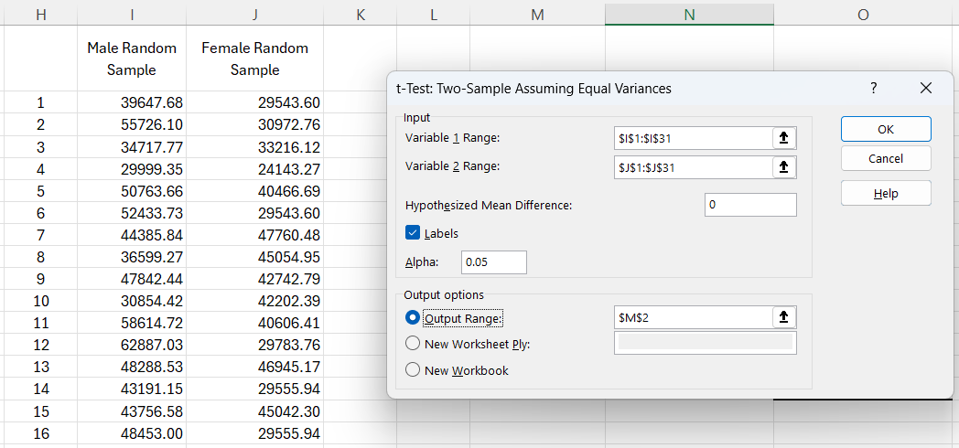
Male | 51222.99786 | Female | 39368.90364 | 16 | $48,453.00 | $29,555.94
Male | 49476.01035 | Female | 35816.24021 | 17 | $23,090.67 | $45,625.09
Male | 56996.09438 | Female | 33726.58383 | 18 | $55,660.20 | $28,017.87
Male | 46242.93284 | Female | 39403.4831 | 19 | $57,527.17 | $35,840.90
Male | 42064.67956 | Female | 31982.90479 | 20 | $65,776.23 | $33,648.38
Male | 41618.86097 | Female | 37036.28314 | 21 | $50,011.69 | $46,858.67
Male | 39037.89243 | Female | 43724.38626 | 22 | $46,213.64 | $42,463.48
Male | 43332.83744 | Female | 24297.1551 | 23 | $42,211.41 | $33,200.27
Male | 64486.40644 | Female | 40562.7449 | 24 | $61,384.55 | $28,338.17
Male | 43379.77831 | Female | 50790.13025 | 25 | $49,780.18 | $26,265.35
Male | 40460.52043 | Female | 31749.80683 | 26 | $50,474.57 | $34,373.99
Male | 42062.54593 | Female | 33365.41896 | 27 | $43,281.92 | $37,312.85
Male | 41373.01415 | Female | 33208.00874 | 28 | $55,484.64 | $37,709.73
Male | 65013.0088 | Female | 40905.46136 | 29 | $24,409.73 | $35,106.01
Male | 37668.89026 | Female | 44701.60568 | 30 | $40,489.49 | $37,807.11
Male | 35881.7362 | Female | 53800.46341
Male | 38304.95905 | Female | 43142.38266
Male | 64525.11155 | Female | 31484.79639
Male | 37625.68727 | Female | 26730.7756
Male | 37064.63282 | Female | 25658.82841
Male | 71467.89992 | Female | 40958.45002
Male | 58670.84946 | Female | 41315.55972
Male | 37691.92767 | Female | 48508.07265
Male | 39758.05095 | Female | 37214.34066
Male | 43101.36476 | Female | 40171.32868
Male | 59001.48731 | Female | 31325.99874
Male | 21722.33876 | Female | 34812.38777
Male | 56717.13858 | Female | 33150.02538
Male | 51518.15402 | Female | 41012.75618
Male | 55664.49541 | Female | 41239.15434
Male | 39862.09827 | Female | 30280.57596
Male | 32704.01887 | Female | 48667.06794
Male | 49372.54091 | Female | 29195.49695
Male | 49485.36939 | Female | 33910.84453
Male | 33108.64524 | Female | 47211.38772
Male | 30375.19115 | Female | 25164.41043
Male | 45926.40532 | Female | 47172.47153
Male | 49091.01011 | Female | 40593.39145
Male | 48449.52772 | Female | 28929.07149
Male | 53178.73999 | Female | 44826.96789
Male | 35065.14453 | Female | 37239.17407
Male | 48190.83336 | Female | 42463.4793
Male | 57164.60067 | Female | 29891.67194
Male | 39239.56407 | Female | 39337.90389
Male | 50763.65584 | Female | 40473.54825
Male | 48126.35525 | Female | 41367.11528
Male | 39448.24826 | Female | 35939.26382
Male | 43007.86425 | Female | 34870.66553
Male | 48784.55228 | Female | 34136.25733
Male | 43050.49922 | Female | 41672.00975
Male | 50756.55062 | Female | 37529.56415
Male | 40007.98851 | Female | 27244.06207
Male | 49068.50218 | Female | 45712.31886
Male | 38422.71358 | Female | 52259.07091
Male | 40574.10528 | Female | 30062.70983
Male | 62307.04322 | Female | 25998.48077
Male | 38746.63601 | Female | 42364.12
Male | 42894.0207 | Female | 31763.75495
Male | 52582.45634 | Female | 37782.86471
Male | 37812.50445 | Female | 46884.35283
Male | 49780.1771 | Female | 38402.67248
Male | 39145.21302 | Female | 25883.02897
Male | 53462.19231 | Female | 28822.61661
Male | 44599.50592 | Female | 46130.95409
Male | 41601.20197 | Female | 45901.44917
Male | 45295.39127 | Female | 31764.44396
Male | 35631.14194 | Female | 23648.55651
Male | 47723.10304 | Female | 37143.85523
Male | 55057.93856 | Female | 31363.24736
Male | 38932.04137 | Female | 29039.69103
Male | 33058.21697 | Female | 31824.94161
Male | 36840.84932 | Female | 42295.64525
Male | 48735.87871 | Female | 28015.62354
Male | 53297.19095 | Female | 26452.4497
Male | 45583.58072 | Female | 30741.23729
Male | 47556.43909 | Female | 22710.2407
Male | 40846.99347 | Female | 35908.91648
Male | 44409.08068 | Female | 35407.27312
Male | 44728.78126 | Female | 27505.51553
Male | 34979.13595 | Female | 43315.01952
Male | 43434.40255 | Female | 40961.23435
Male | 42310.09137 | Female | 41387.99385
Male | 49115.40783 | Female | 24382.6483
Male | 38925.60078 | Female | 40779.20844
Male | 56558.16074 | Female | 40093.45597
Male | 44423.38722 | Female | 40606.4072
Male | 30591.34458 | Female | 40188.57795
Male | 44697.61169 | Female | 40032.78371
Male | 32680.60721 | Female | 24104.96887
Male | 55993.91371 | Female | 40480.79397
Male | 52433.73347 | Female | 26744.0631
Male | 36279.91057 | Female | 38405.23134
Male | 51752.34452 | Female | 42539.95084
Male | 34237.20181 | Female | 34519.54699
Male | 43323.64078 | Female | 27893.25871
Male | 33836.95779 | Female | 31483.59427
Male | 65635.9975 | Female | 37569.62228
Male | 37009.07694 | Female | 40087.25358
Male | 48335.51625 | Female | 24332.58702
Male | 18571.24357 | Female | 29216.86448
Male | 40868.55442 | Female | 37240.11334
Male | 55273.77456 | Female | 19636.58837
Male | 49832.64746 | Female | 36829.37158
Male | 29667.75535 | Female | 11444.14165
Male | 37999.59905 | Female | 41282.13491
Male | 34460.44442 | Female | 31151.41714
Male | 46213.64478 | Female | 31646.2595
Male | 49767.53874 | Female | 29496.8661
Male | 33908.17913 | Female | 24394.5899
Male | 37967.02449 | Female | 33493.16088
Male | 42631.29645 | Female | 29854.7992
Male | 30676.6659 | Female | 38368.90506
Male | 33369.05117 | Female | 28820.16429
Male | 46161.77792 | Female | 39224.06219
Male | 45268.73454 | Female | 28707.48701
Male | 56308.85373 | Female | 34420.48481
Male | 47107.35419 | Female | 43634.64981
Male | 60492.32148 | Female | 31219.13759
Male | 44917.8196 | Female | 46116.8013
Male | 57928.76564 | Female | 45625.09346
Male | 50704.7586 | Female | 37653.16526
Male | 32394.79347 | Female | 35175.69774
Male | 60675.79303 | Female | 28442.80425
Male | 43441.641 | Female | 23866.7016
Male | 54631.11424 | Female | 41430.15745
Male | 43816.50376 | Female | 34791.43357
Male | 41387.47997 | Female | 35813.74391
Male | 41309.06957 | Female | 43819.49922
Male | 39239.6384 | Female | 45678.74949
Male | 36845.37157 | Female | 47683.23657
Male | 31806.74024 | Female | 30873.06356
Male | 62091.43961 | Female | 41569.68486
Male | 39159.6583 | Female | 26018.60986
Male | 43496.36866 | Female | 37306.14735
Male | 58612.23611 | Female | 34201.5756
Male | 39843.84615 | Female | 36600.49192
Male | 56720.61968 | Female | 30606.19832
Male | 23090.67376 | Female | 49620.96813
Male | 62052.20232 | Female | 33216.11898
Male | 57318.4414 | Female | 52046.95926
Male | 60576.84445 | Female | 30908.98677
Male | 50402.74704 | Female | 45054.9538
Male | 53527.42558 | Female | 31011.93188
Male | 47902.18725 | Female | 32902.34894
Male | 46008.15235 | Female | 39910.86477
Male | 65441.30143 | Female | 35374.68036
Male | 41393.98842 | Female | 40355.90281
Male | 36227.44376 | Female | 48650.98376
Male | 46116.22173 | Female | 20482.20954
Male | 56640.59104 | Female | 28672.84826
Male | 42388.6001 | Female | 38530.37834
Male | 60675.75398 | Female | 31539.26559
Male | 71537.22292 | Female | 38889.87033
Male | 65107.53227 | Female | 31335.97737
Male | 41610.77638 | Female | 46945.1741
Male | 53319.9143 | Female | 34148.56559
Male | 42826.17211 | Female | 28453.06441
Male | 47490.25317 | Female | 29635.66814
Male | 44368.14756 | Female | 45055.00962
Male | 34293.40071 | Female | 21000.25041
Male | 50496.18194 | Female | 41494.31415
Male | 47842.43633 | Female | 49391.3757
Male | 45224.23314 | Female | 44279.06479
Male | 50910.6527 | Female | 30253.17107
Male | 47000.86575 | Female | 56722.28247
Male | 52856.89077 | Female | 25979.0748
Male | 32850.00387 | Female | 34034.80029
Male | 42176.90829 | Female | 36283.25729
Male | 39814.40857 | Female | 46585.74359
Male | 66636.72062 | Female | 43867.783
Male | 46434.88134 | Female | 37841.53825
Male | 41391.62004 | Female | 37018.58814
Male | 47209.53661 | Female | 38303.13324
Male | 61384.54935 | Female | 50365.09827
Male | 51126.52593 | Female | 40974.77415
Male | 44368.67011 | Female | 38906.20896
Male | 65397.21855 | Female | 32820.90948
Male | 41541.09399 | Female | 33354.29491
Male | 53471.52212 | Female | 45120.14398
Male | 27488.454 | Female | 37760.04765
Male | 57427.14105 | Female | 47968.09999
Male | 57029.39386 | Female | 26269.01718
Male | 53304.27651 | Female | 30326.90761
Male | 45281.81173 | Female | 31386.58362
Male | 41816.70065 | Female | 49042.90145
Male | 45676.76977 | Female | 27632.08151
Male | 50827.34401 | Female | 31224.46177
Male | 36351.36267 | Female | 42108.0002
Male | 33354.01753 | Female | 36508.23864
Male | 50474.89975 | Female | 34492.07721
Male | 57559.89058 | Female | 38721.82904
Male | 40489.48767 | Female | 30095.65611
Male | 34397.78413 | Female | 38188.89195
Male | 40925.29349 | Female | 43748.99516
Male | 43989.75161 | Female | 27606.4034
Male | 42548.76059 | Female | 51353.46231
Male | 39805.78196 | Female | 29325.86874
Male | 54206.22179 | Female | 34211.74855
Male | 46320.61033 | Female | 42971.28923
Male | 51828.65795 | Female | 42555.18759
Male | 48991.98355 | Female | 28235.06109
Male | 41134.95944 | Female | 40859.55946
Male | 46889.48254 | Female | 40064.43476
Male | 41414.74231 | Female | 52691.50434
Male | 50329.83591 | Female | 44368.51359
Male | 40453.83153 | Female | 38400.05111
Male | 51416.20041 | Female | 20690.64749
Male | 49777.2153 | Female | 34055.2891
Male | 63375.37993 | Female | 32943.40901
Male | 61663.58283 | Female | 26604.10957
Male | 46238.41095 | Female | 28058.50724
Male | 60216.82003 | Female | 36274.87806
Male | 43894.14821 | Female | 43000.507
Male | 58913.76002 | Female | 29401.35898
Male | 47258.15093 | Female | 31266.91863
Male | 69518.73751 | Female | 27016.8521
Male | 36200.03876 | Female | 31936.89969
Male | 49604.97441 | Female | 35507.82884
Male | 52675.52192 | Female | 31405.47536
Male | 47351.42722 | Female | 34749.58508
Male | 65776.22733 | Female | 45993.38553
Male | 43191.15122 | Female | 37894.44361
Male | 53064.78751 | Female | 43571.96907
Male | 53704.74968 | Female | 41336.17
Male | 46461.91714 | Female | 30618.60966
Male | 30761.86021 | Female | 46509.33139
Male | 47815.62218 | Female | 45018.67952
Male | 37008.17845 | Female | 35294.46948
Male | 39262.46618 | Female | 28887.59297
Male | 34116.80988 | Female | 43552.60124
Male | 55882.64197 | Female | 31331.65571
Male | 46786.20716 | Female | 38738.0142
Male | 36439.33122 | Female | 33641.73103
Male | 61778.79067 | Female | 26235.13457
Male | 52183.85437 | Female | 36433.02889
Male | 31790.11085 | Female | 42615.12521
Male | 60847.56004 | Female | 38758.77897
Male | 54083.05555 | Female | 36409.50602
Male | 63183.62447 | Female | 32916.5963
Male | 48288.53006 | Female | 45286.13245
Male | 28927.89842 | Female | 31703.38063
Male | 49930.48873 | Female | 41132.29294
Male | 35538.88678 | Female | 20773.12519
Male | 27154.28596 | Female | 35632.14079
Male | 43904.91335 | Female | 48118.37091
Male | 51439.25574 | Female | 33530.29802
Male | 50865.40862 | Female | 40803.80341
Male | 42338.83137 | Female | 46576.10439
Male | 36291.58279 | Female | 43325.31193
Male | 46284.13748 | Female | 29626.86038
Male | 56756.0606 | Female | 19855.6943
Male | 54077.54939 | Female | 41158.08154
Male | 57841.89486 | Female | 36180.22814
Male | 56182.71546 | Female | 27408.49267
Male | 52229.81531 | Female | 39710.79766
Male | 51467.27875 | Female | 38887.78262
Male | 48882.08317 | Female | 38008.97844
Male | 42793.1963 | Female | 38768.82232
Male | 44530.39356 | Female | 34317.3152
Male | 52102.9318 | Female | 22060.65687
Male | 50083.24151 | Female | 36207.6944
Male | 36094.97353 | Female | 34775.0559
Male | 31948.58033 | Female | 33692.99327
Male | 61260.51153 | Female | 43024.9237
Male | 44895.669 | Female | 38479.94408
Male | 60101.44384 | Female | 26097.73519
Male | 37583.91963 | Female | 43755.4504
Male | 36017.50497 | Female | 47326.79144
Male | 56535.24363 | Female | 29216.61781
Male | 48482.89362 | Female | 25445.58294
Male | 46635.62773 | Female | 32194.59225
Male | 41383.92801 | Female | 34077.58553
Male | 57924.64244 | Female | 35199.86371
Male | 40303.74928 | Female | 41273.98056
Male | 50965.81845 | Female | 38884.3708
Male | 55484.64273 | Female | 37709.72956
Male | 36304.55712 | Female | 34855.80353
Male | 58692.96293 | Female | 39135.67584
Male | 52316.11724 | Female | 28281.25028
Male | 64707.81886 | Female | 32539.14609
Male | 29758.25654 | Female | 31538.50718
Male | 31607.77123 | Female | 17552.54847
Male | 52452.11209 | Female | 34371.44642
Male | 41670.71269 | Female | 34849.21479
Male | 41124.25846 | Female | 28125.03134
Male | 50988.39313 | Female | 52930.7619
Male | 37855.8305 | Female | 29783.7593
Male | 31237.39267 | Female | 26721.84073
Male | 53113.69606 | Female | 36218.48178
Male | 56036.51648 | Female | 41806.47756
Male | 55300.01931 | Female | 32055.08294
Male | 50011.69106 | Female | 13300.1062
Male | 50078.32817 | Female | 46398.33851
Male | 37014.01454 | Female | 33234.78298
Male | 66922.11848 | Female | 43191.39645
Male | 44482.70705 | Female | 39301.02369
Male | 58113.05305 | Female | 14709.40754
Male | 44010.67494 | Female | 30484.0274
Male | 46246.96766 | Female | 26031.96786
Male | 48997.25119 | Female | 42233.96254
Male | 47547.65208 | Female | 37929.93318
Male | 54416.31771 | Female | 35553.61874
Male | 57047.99091 | Female | 34200.5439
Male | 59404.19598 | Female | 43039.05417
Male | 33924.94839 | Female | 33300.31626
Male | 37747.91379 | Female | 25217.08047
Male | 47308.50043 | Female | 44884.18296
Male | 51367.37446 | Female | 36870.6885
Male | 59920.48058 | Female | 30902.89282
Male | 51465.42035 | Female | 28159.27279
Male | 49940.55353 | Female | 34373.99397
Male | 64271.11979 | Female | 46714.36995
Male | 37819.83009 | Female | 29531.19894
Male | 69351.41417 | Female | 25455.66907
Male | 51568.10564 | Female | 34319.47275
Male | 37258.96295 | Female | 25706.95935
Male | 33831.46012 | Female | 31506.68346
Male | 34491.28028 | Female | 30796.15716
Male | 70324.83769 | Female | 39101.93989
Male | 54410.43923 | Female | 45614.38544
Male | 46897.26797 | Female | 28338.17215
Male | 53242.38134 | Female | 47760.48273
Male | 47417.82869 | Female | 33606.85339
Male | 50317.87484 | Female | 34831.01943
Male | 46884.99053 | Female | 42346.58878
Male | 35945.22833 | Female | 37854.6558
Male | 44242.27158 | Female | 40167.98815
Male | 46155.08952 | Female | 41374.97696
Male | 39931.42447 | Female | 26124.30672
Male | 62887.0343 | Female | 42017.83852
Male | 45274.22673 | Female | 50138.74108
Male | 38292.14116 | Female | 36688.41687
Male | 69348.60687 | Female | 33604.44821
Male | 41598.14986 | Female | 43921.70054
Male | 39299.62456 | Female | 29832.21787
Male | 57332.58523 | Female | 38491.65312
Male | 44605.60052 | Female | 36589.21292
Male | 39124.14494 | Female | 30183.9305
Male | 47577.44261 | Female | 39084.70943
Male | 59472.34268 | Female | 37275.09048
Male | 33259.90273 | Female | 38746.5298
Male | 42664.7906 | Female | 29178.47035
Male | 38750.2014 | Female | 23869.57307
Male | 21582.80074 | Female | 49111.49115
Male | 51032.83841 | Female | 35987.41162
Male | 46557.45072 | Female | 43287.31884
Male | 61382.06131 | Female | 41235.47522
Male | 38408.59012 | Female | 38211.14289
Male | 50910.60536 | Female | 52683.89721
Male | 37364.35355 | Female | 39260.58911
Male | 36451.77061 | Female | 36708.75312
Male | 38483.72599 | Female | 43021.78636
Male | 56251.62873 | Female | 35270.19209
Male | 44147.76652 | Female | 31341.46754
Male | 43066.60909 | Female | 48552.40533
Male | 39612.47567 | Female | 22972.67788
Male | 34869.5075 | Female | 41504.57271
Male | 48456.78746 | Female | 42353.98884
Male | 62360.01908 | Female | 31806.91802
Male | 57196.49659 | Female | 36683.05599
Male | 59480.842 | Female | 24492.36269
Male | 50373.10604 | Female | 38591.54131
Male | 47665.89303 | Female | 32429.08784
Male | 31723.23986 | Female | 39156.68995
Male | 43082.77822 | Female | 43636.97087
Male | 43250.65428 | Female | 29043.64255
Male | 72787.28668 | Female | 36428.77991
Male | 70094.84888 | Female | 29703.1622
Male | 43015.46148 | Female | 26482.22047
Male | 58612.84805 | Female | 32154.94012
Male | 44983.99524 | Female | 33965.70434
Male | 59288.03173 | Female | 31381.29497
Male | 61102.02675 | Female | 33125.22973
Male | 42951.06119 | Female | 42888.75207
Male | 39492.44865 | Female | 56494.33642
Male | 28707.85312 | Female | 34830.771
Male | 49121.87015 | Female | 39982.5565
Male | 44776.9159 | Female | 35091.48662
Male | 42495.44398 | Female | 36472.83298
Male | 52343.76033 | Female | 48950.84288
Male | 36599.27042 | Female | 27312.48846
Male | 43756.57926 | Female | 41919.44976
Male | 41163.65455 | Female | 35840.89853
Male | 33476.60003 | Female | 32038.40928
Male | 48573.8517 | Female | 32029.74485
Male | 61067.56777 | Female | 30656.10145
Male | 55800.95979 | Female | 22804.08213
Male | 33902.00043 | Female | 28790.9292
Male | 50206.14187 | Female | 48097.64417
Male | 37850.91489 | Female | 40379.90448
Male | 40913.35322 | Female | 31873.98132
Male | 58178.58433 | Female | 23967.55056
Male | 29316.83188 | Female | 24143.27217
Male | 53876.87551 | Female | 24363.68573
Male | 46974.98243 | Female | 37468.47498
Male | 51017.43604 | Female | 33034.90655
Male | 34468.46827 | Female | 38798.39086
Male | 37554.0138 | Female | 35260.71163
Male | 50360.62885 | Female | 33511.19814
Male | 32838.25195 | Female | 40309.10782
Male | 52587.05873 | Female | 33715.9733
Male | 53928.99216 | Female | 22313.32636
Male | 53371.55151 | Female | 26658.86178
Male | 42801.21504 | Female | 35206.5416
Male | 56853.81379 | Female | 37312.85357
Male | 58133.20978 | Female | 53908.5995
Male | 40882.83535 | Female | 41079.42318
Male | 55068.7269 | Female | 34967.70439
Male | 37119.17681 | Female | 41133.10063
Male | 55860.90432 | Female | 45545.79232
Male | 45850.63516 | Female | 51963.77968
Male | 24694.91265 | Female | 31660.87118
Male | 48453.00423 | Female | 38989.61387
Male | 57091.46248 | Female | 25272.70248
Male | 48904.29012 | Female | 47791.2197
Male | 47613.40818 | Female | 27338.02506
Male | 45818.55306 | Female | 38048.29284
Male | 53682.70811 | Female | 26950.55841
Male | 44725.97032 | Female | 21485.6209
Male | 45942.99839 | Female | 35433.09215
Male | 61023.75202 | Female | 34227.49216
Male | 60414.20593 | Female | 37245.86514
Male | 36488.98065 | Female | 31497.09413
Male | 45176.64529 | Female | 32999.50223
Male | 56720.38726 | Female | 37934.97271
Male | 70931.61002 | Female | 46318.75284
Male | 24409.72846 | Female | 25350.69013
Male | 63199.06624 | Female | 19481.33381
Male | 37028.64398 | Female | 35548.53811
Male | 53511.77025 | Female | 43667.41565
Male | 34179.75291 | Female | 32462.41976
Male | 57905.8291 | Female | 38608.39478
Male | 35605.86614 | Female | 45241.25776
Male | 42855.00328 | Female | 35106.01099
Male | 54455.96631 | Female | 48360.52231
Male | 51836.25116 | Female | 26882.32256
Male | 51332.4885 | Female | 38015.31069
Male | 40959.17313 | Female | 49050.85828
Male | 33688.11549 | Female | 29021.96127
Male | 58449.33294 | Female | 38612.89308
Male | 47871.75373 | Female | 45001.67137
Male | 48164.23128 | Female | 39036.8838
Male | 47246.8062 | Female | 42222.20509
Male | 53637.18229 | Female | 32390.24164
Male | 57527.17434 | Female | 33422.54445
Male | 43796.67688 | Female | 39920.09645
Male | 44492.96741 | Female | 36911.26186
Male | 43528.95806 | Female | 34287.96037
Male | 51907.97786 | Female | 42177.15496
Male | 49004.72712 | Female | 33200.27493
Male | 57247.82914 | Female | 42536.12991
Male | 55139.19051 | Female | 28046.20864
Male | 54851.41237 | Female | 36243.86856
Male | 37790.93953 | Female | 25272.72813
Male | 41263.86408 | Female | 24424.33223
Male | 47732.0466 | Female | 46921.10248
Male | 34601.07419 | Female | 36055.36176
Male | 43794.00942 | Female | 40598.59933
Male | 42484.9275 | Female | 48969.94787
Male | 43293.39305 | Female | 34756.13351
Male | 58613.80008 | Female | 34444.63995
Male | 42234.52306 | Female | 43318.40768
Male | 50508.15632 | Female | 39981.22984
Male | 49704.76729 | Female | 41847.04556
Male | 44989.32738 | Female | 42202.39262
Male | 34168.17036 | Female | 25758.87532
Male | 23307.70447 | Female | 27956.28844
Male | 40135.76291 | Female | 20443.2513
Male | 51528.68171 | Female | 50883.82848
Male | 45172.30226 | Female | 37620.86426
Male | 57710.71909 | Female | 35106.96186
Male | 53074.26246 | Female | 27569.09856
Male | 41685.63174 | Female | 38820.48395
Male | 57849.34349 | Female | 41445.23411
Male | 33021.16964 | Female | 35643.44008
Male | 41453.51129 | Female | 31908.25594
Male | 44700.41408 | Female | 26061.58737
Male | 52416.59145 | Female | 41463.21278
Male | 36275.91016 | Female | 36838.43802
Male | 40285.02515 | Female | 25082.14482
Male | 34485.16661 | Female | 40790.06098
Male | 45047.54041 | Female | 39040.71433
Male | 44449.71048 | Female | 46079.66196
Male | 57131.61137 | Female | 32996.38521
Male | 40944.50895 | Female | 33463.88449
Male | 59879.061 | Female | 30866.1173
Male | 29757.08056 | Female | 36103.71248
Male | 59622.89682 | Female | 29543.59877
Male | 41990.73045 | Female | 43028.07285
Male | 41224.81874 | Female | 28824.82601
Male | 57805.1414 | Female | 33974.63196
Male | 57628.75709 | Female | 34299.46323
Male | 56181.52023 | Female | 23175.82345
Male | 53282.24825 | Female | 32676.80867
Male | 45918.99757 | Female | 37807.10625
Male | 50416.15894 | Female | 37709.17649
Male | 48013.40457 | Female | 21281.503
Male | 56157.26195 | Female | 22915.87392
Male | 36805.50707 | Female | 46959.94396
Male | 46306.61599 | Female | 38134.57404
Male | 50363.35115 | Female | 28294.23853
Male | 40317.79387 | Female | 20336.12153
Male | 46924.16602 | Female | 40249.48242
Male | 41041.5986 | Female | 32890.65602
Male | 61432.2084 | Female | 31731.98312
Male | 52366.89913 | Female | 46559.12993
Male | 58760.81747 | Female | 35583.43344
Male | 47119.77885 | Female | 45007.18747
Male | 37656.94755 | Female | 39415.44692
Male | 35818.65844 | Female | 44709.66952
Male | 35410.7879 | Female | 40964.10746
Male | 37923.76655 | Female | 46858.67068
Male | 60996.3089 | Female | 34279.01824
Male | 43313.02204 | Female | 34686.49258
Male | 51866.92575 | Female | 38655.82558
Male | 57010.1622 | Female | 27455.66092
Male | 34717.7747 | Female | 44975.0933
Male | 44812.41359 | Female | 47416.05879
Male | 37149.11559 | Female | 42235.56698
Male | 64012.32086 | Female | 33901.3568
Male | 56732.15944 | Female | 30972.76399
Male | 37966.33893 | Female | 28017.87427
Male | 56899.71485 | Female | 45141.81278
Male | 42604.54716 | Female | 21453.99451
Male | 42211.40605 | Female | 43064.4653
Male | 46063.93827 | Female | 29393.59825
Male | 40343.2821 | Female | 53632.22382
Male | 34318.02375 | Female | 42755.31622
Male | 62192.25594 | Female | 31898.84896
Male | 33960.12977 | Female | 41919.05975
Male | 45733.5924 | Female | 33796.96704
Male | 56954.08833 | Female | 49769.16984
Male | 36922.66206 | Female | 37803.78855
Male | 45676.85895 | Female | 31959.17716
Male | 54677.30235 | Female | 33318.23329
Male | 42994.05327 | Female | 23044.39984
Male | 47675.66337 | Female | 24873.16374
Male | 44032.1149 | Female | 35833.90469
Male | 43059.20861 | Female | 50233.98463
Male | 54267.01194 | Female | 32536.23681
Male | 55082.50656 | Female | 30447.87237
Male | 38009.95662 | Female | 37712.89447
Male | 39496.52535 | Female | 26089.71721
Male | 57420.1856 | Female | 37634.1613
Male | 43027.55258 | Female | 26253.70748
Male | 50075.85001 | Female | 36984.60232
Male | 47427.7951 | Female | 20223.34086
Male | 47444.1487 | Female | 37396.5711
Male | 56960.16603 | Female | 31025.94829
Male | 25591.85062 | Female | 35145.79146
Male | 36534.18511 | Female | 33648.37545
Male | 49555.80823 | Female | 29555.93689
Male | 37415.03543 | Female | 45511.57112
Male | 39358.78748 | Female | 42995.88798
Male | 29185.29687 | Female | 30042.73682
Male | 55888.36651 | Female | 46025.53693
Male | 61828.73586 | Female | 44334.98519
Male | 66473.13653 | Female | 36601.07958
Male | 27821.99011 | Female | 41374.54103
Male | 62858.83411 | Female | 34347.31307
Male | 42622.51332 | Female | 33955.21418
Male | 58380.59321 | Female | 46575.08113
Male | 34094.27401 | Female | 30327.48519
Male | 55980.19599 | Female | 24355.95244
Male | 47857.85541 | Female | 28555.67784
Male | 44261.35389 | Female | 37644.86654
Male | 59566.77875 | Female | 34144.87573
Male | 43768.99866 | Female | 43284.17184
Male | 39034.08137 | Female | 54590.09034
Male | 39562.52429 | Female | 40466.69455
Male | 36732.51005 | Female | 35082.323
Male | 32206.84722 | Female | 41247.5699
Male | 37946.70042 | Female | 26489.30624
Male | 54647.32078 | Female | 36377.39393
Male | 45258.61402 | Female | 44828.80865
Male | 39647.68348 | Female | 33565.73896
Male | 35681.97943 | Female | 63154.33225
Male | 42283.71753 | Female | 34398.15416
Male | 51239.72342 | Female | 24288.80828
Male | 43781.33299 | Female | 56110.42814
Male | 42246.50833 | Female | 44487.22841
Male | 38327.2137 | Female | 26265.34574
Male | 38433.26868 | Female | 38159.56134
Male | 32208.92012 | Female | 27884.85499
Male | 49069.77774 | Female | 29538.80082
Male | 42407.2755 | Female | 51975.48306
Male | 42852.91129 | Female | 28506.10855
Male | 53294.84259 | Female | 27507.42631
Male | 41776.47472 | Female | 38155.90835
Male | 39461.7776 | Female | 26710.79146
Male | 39337.20943 | Female | 34840.97433
Male | 31188.57334 | Female | 26291.32302
Male | 36965.31809 | Female | 45017.37392
Male | 54008.33866 | Female | 42742.79185
Male | 58824.49903 | Female | 39204.67334
Male | 61853.83195 | Female | 45042.30058
Male | 46847.07892 | Female | 49716.08996
Male | 52738.10404 | Female | 30461.9908
Male | 38824.15411 | Female | 39939.49943
Male | 49223.29964 | Female | 32884.3786
Male | 42531.45773 | Female | 27686.08064
Male | 47959.00645 | Female | 43246.98294
Male | 35062.55921 | Female | 35353.25946
Male | 46025.85353 | Female | 39467.88316
Male | 49997.4875 | Female | 38512.63134
Male | 37223.99238 | Female | 47227.08298
Male | 67357.92615 | Female | 41727.90328
Male | 44782.26235 | Female | 48830.7323
Male | 26972.6075 | Female | 33318.22653
Male | 54543.16171 | Female | 40447.78416
Male | 36630.73921 | Female | 22901.28089
Male | 39134.74489 | Female | 53565.89762
Male | 64539.88869 | Female | 32103.91396
Male | 56869.77624 | Female | 32556.75871
Male | 39111.9216 | Female | 25782.02
Male | 52275.27675 | Female | 43807.59238
Male | 53268.11753 | Female | 36969.78829
Male | 61861.8622 | Female | 30911.36097
Male | 48653.14679 | Female | 32655.82463
Male | 43245.18656 | Female | 47596.60773
Male | 43791.21202 | Female | 28711.7134
Male | 56317.58332 | Female | 38476.91567
Male | 42422.63502 | Female | 35930.28718
Male | 32334.04416 | Female | 39623.56836
Male | 39298.00728 | Female | 29321.81134
Male | 37798.28405 | Female | 41035.02319
Male | 38513.05168 | Female | 29550.7916
Male | 52062.54889 | Female | 48089.85329
Male | 55660.20416 | Female | 32038.03264
Male | 49474.96574 | Female | 30395.29749
Male | 55693.3573 | Female | 25607.82079
Male | 67278.11292 | Female | 36032.46063
Male | 55726.0961 | Female | 35746.22035
Male | 42533.40038 | Female | 49340.01328
Male | 57948.65112 | Female | 23849.32402
Male | 53834.89125 | Female | 32966.9137
Male | 56015.67544 | Female | 30617.08188
Male | 55899.4617 | Female | 23391.64004
Male | 45702.88957 | Female | 33362.65241
Male | 54680.65283 | Female | 22652.15099
Male | 49976.93715 | Female | 36040.20735
Male | 52383.91404 | Female | 29934.00939
Male | 46574.02426 | Female | 48935.74115
Male | 45294.83994 | Female | 40778.37525
Male | 39436.54925 | Female | 36708.23711
Male | 39789.56925 | Female | 40995.69762
Male | 54494.9356 | Female | 32488.97969
Male | 43516.37662 | Female | 29675.84394
Male | 40318.84742 | Female | 33305.36083
Male | 37363.1056 | Female | 28321.35307
Male | 57318.04885 | Female | 23039.80161
Male | 42592.82771 | Female | 23961.68748
Male | 40540.12462 | Female | 33472.28144
Male | 50860.48985 | Female | 33077.8687
Male | 52979.80498 | Female | 53973.05863
Male | 41138.70542 | Female | 32342.95721
Male | 54335.24165 | Female | 33259.70308
Male | 38764.39933 | Female | 45900.13446
Male | 58071.53528
Male | 39687.65583
Male | 39075.85557
Male | 37929.52093
Male | 45861.4107
Male | 45158.136
Male | 49238.03702
Male | 46653.1039
Male | 42788.59677
Male | 50014.29006
Male | 31812.04946
Male | 41163.78567
Male | 40202.64158
Male | 50225.82045
Male | 61615.84752
Male | 66607.29432
Male | 37437.30722
Male | 38432.83749
Male | 39653.85778
Male | 62478.72933
Male | 67230.09536
Male | 50861.45751
Male | 55656.78031
Male | 45258.91466
Male | 47262.56619
Male | 39442.80394
Male | 45135.45188
Male | 43370.37957
Male | 36520.27723
Male | 40218.46047
Male | 34467.64314
Male | 38471.68297
Male | 53339.86814
Male | 45191.63036
Male | 63633.9008
Male | 41431.49812
Male | 39358.56336
Male | 54141.45947
Male | 52703.29722
Male | 53341.43769
Male | 44099.95094
Male | 50142.0207
Male | 44691.30455
Male | 43564.49437
Male | 67893.55998
Male | 52721.56178
Male | 46576.68115
Male | 39840.36564
Male | 51687.75054
Male | 44828.78437
Male | 32177.6822
Male | 39958.03454
Male | 54803.98934
Male | 41199.30543
Male | 42606.34723
Male | 47442.15682
Male | 50086.63515
Male | 50913.03849
Male | 57415.39154
Male | 52631.1504
Male | 42244.67913
Male | 47249.99062
Male | 29430.51967
Male | 46293.44405
Male | 37829.95556
Male | 47244.03658
Male | 46127.31167
Male | 50739.36604
Male | 31177.51552
Male | 56301.17992
Male | 41317.02792
Male | 44555.02997
Male | 52541.23721
Male | 36258.60256
Male | 45582.76214
Male | 31971.22504
Male | 71612.7081
Male | 47803.06667
Male | 30413.95931
Male | 30008.16028
Male | 49773.36109
Male | 31908.45573
Male | 48746.04396
Male | 41924.62904
Male | 25420.01946
Male | 44385.84288
Male | 44396.80246
Male | 43318.00804
Male | 52083.60762
Male | 30849.91589
Male | 39413.48667
Male | 43508.56802
Male | 42573.30908
Male | 53418.19194
Male | 50392.36888
Male | 50949.08421
Male | 37680.55458
Male | 49554.67915
Male | 58970.41264
Male | 29802.21886
Male | 60679.98793
Male | 53344.13124
Male | 24185.77732
Male | 75596.79344
Male | 41028.80829
Male | 27440.24314
Male | 51552.63966
Male | 46336.96071
Male | 39086.28914
Male | 46062.84287
Male | 30195.58528
Male | 45893.71595
Male | 43241.23902
Male | 30025.74652
Male | 41134.36724
Male | 67362.35569
Male | 63426.3478
Male | 55191.82065
Male | 45394.0123
Male | 38817.70155
Male | 41623.61592
Male | 66416.6068
Male | 58973.79878
Male | 56208.93648
Male | 70744.63869
Male | 64592.71068
Male | 47553.09478
Male | 49900.84249
Male | 34103.23368
Male | 34964.05908
Male | 51132.67759
Male | 45699.25134
Male | 43379.48381
Male | 49317.3985
Male | 41670.38903
Male | 51107.29907
Male | 47998.39682
Male | 45685.01664
Male | 42245.09512
Male | 65353.38112
Male | 37730.31338
Male | 38182.86915
Male | 36187.22169
Male | 49766.16166
Male | 35712.8248
Male | 51584.53481
Male | 57897.6534
Male | 65389.89613
Male | 35216.88758
Male | 52335.11136
Male | 57083.24832
Male | 68324.0096
Male | 49079.84406
Male | 43052.21978
Male | 43295.42155
Male | 57994.47274
Male | 32371.50152
Male | 51898.02678
Male | 45477.97661
Male | 40495.26216
Male | 46075.27427
Male | 40899.31612
Male | 51206.52279
Male | 42835.74549
Male | 37806.24041
Male | 41981.27482
Male | 41193.70531
Male | 45540.26933
Male | 43281.9246
Male | 39645.70904
Male | 48426.91185
Male | 49455.71771
Male | 49966.24335
Male | 40277.57971
Male | 52875.73972
Male | 46548.1477
Male | 40590.53916
Male | 53051.92513
Male | 41594.78235
Male | 50350.42033
Male | 39725.70278
Male | 45141.11415
Male | 30854.41782
Male | 37976.07387
Male | 42928.9405
Male | 31931.74274
Male | 58533.49751
Male | 58316.01052
Male | 53988.03246
Male | 56147.73311
Male | 50001.27282
Male | 41006.01915
Male | 48129.27732
Male | 57480.48312
Male | 46452.67436
Male | 69521.13573
Male | 60085.76449
Male | 54441.25209
Male | 59798.4239
Male | 40151.71675
Male | 37135.93025
Male | 49528.29047
Male | 36960.79584
Male | 38815.94897
Male | 29071.65175
Male | 52111.61058
Male | 40679.82675
Male | 53300.02335
Male | 38993.24336
Male | 61819.84592
Male | 40252.95865
Male | 48763.23599
Male | 49940.00059
Male | 56216.77893
Male | 60502.36646
Male | 33291.47892
Male | 48710.43154
Male | 30554.73486
Male | 48747.96861
Male | 48445.14113
Male | 59885.00012
Male | 65956.82189
Male | 75530.38563
Male | 53905.96363
Male | 34462.50761
Male | 44923.88591
Male | 53086.63097
Male | 43190.19697
Male | 57479.75785
Male | 40637.39521
Male | 55794.58278
Male | 36015.89082
Male | 54885.28547
Male | 44618.9726
Male | 51513.53842
Male | 58683.51872
Male | 39900.29481
Male | 64052.1951
Male | 49229.35336
Male | 40826.44775
Male | 51401.33122
Male | 37542.42627
Male | 66365.12731
Male | 68576.68656
Male | 47977.18725
Male | 52238.89879
Male | 47385.20507
Male | 45369.55993
Male | 49863.9024
Male | 39199.1059
Male | 44517.47406
Male | 40498.29963
Male | 58024.40176
Male | 56975.03642
Male | 42084.25547
Male | 40137.80003
Male | 44503.61241
Male | 54404.83541
Male | 43181.70886
Male | 60958.21349
Male | 45852.63737
Male | 49672.61226
Male | 38075.26284
Male | 53575.58092
Male | 46625.11116
Male | 41093.03288
Male | 42854.58019
Male | 44151.2529
Male | 48393.19056
Male | 45797.36622
Male | 50732.37162
Male | 51907.27065
Male | 51715.69491
Male | 28098.74637
Male | 36031.24722
Male | 49103.71669
Male | 49525.19765
Male | 67379.49375
Male | 55623.29642
Male | 38296.16185
Male | 48772.66215
Male | 39830.88252
Male | 45355.23086
Male | 34054.64039
Male | 50670.71403
Male | 33318.30457
Male | 42054.72994
Male | 46578.71272
Male | 35258.98358
Male | 50474.56517
Male | 47360.78293
Male | 55938.63945
Male | 54022.73737
Male | 53485.50589
Male | 37075.77619
Male | 41265.26403
Male | 39634.22711
Male | 24315.05925
Male | 35727.41282
Male | 35564.0409
Male | 44651.21782
Male | 48036.54779
Male | 49322.92839
Male | 41950.103
Male | 50765.31994
Male | 34664.57999
Male | 30853.20719
Male | 58614.71954
Male | 46950.25198
Male | 46910.33749
Male | 52997.80195
Male | 36558.48708
Male | 46833.99851
Male | 14081.09871
Male | 40934.06357
Male | 46446.95929
Male | 36797.79246
Male | 39765.06147
Male | 40719.79525
Male | 60177.53783
Male | 50533.83751
Male | 62038.35297
Male | 47411.78912
Male | 48230.52783
Male | 68985.59811
Male | 50342.21241
Male | 54234.84892
Male | 53470.06457
Male | 36758.02055
Male | 35929.52307
Male | 30038.21786
Male | 54595.39574
Male | 68980.28115
Male | 51708.81392
...

2 independent smpls-unequal var
...
major | salary |  | Political Science Random Sample | Social Science Random Sample
Social Sciences | 31749.81 | 4 | $32,996.39 | $21,453.99 | Mean | 34882.238241 | 32108.718363
Social Sciences | 31484.80 | 5 | $33,648.38 | $31,484.80 | Variance | 34602476.074 | 15267236.059
Social Sciences | 25658.83 | 6 | $41,430.16 | $34,287.96 | Observations | 30 | 30
Social Sciences | 31326.00 | 7 | $40,032.78 | $35,583.43 | Hypothesized Mean Difference | 0
Social Sciences | 33150.03 | 8 | $39,710.80 | $28,672.85 | df | 50
Social Sciences | 30280.58 | 9 | $36,911.26 | $30,062.71 | t Stat | 2.1511637929
Social Sciences | 25164.41 | 10 | $45,900.13 | $34,420.48 | P(T<=t) one-tail | 0.018159981886
Social Sciences | 34136.26 | 11 | $35,270.19 | $33,641.73 | t Critical one-tail | 2.4032719167
Social Sciences | 30062.71 | 12 | $43,318.41 | $26,291.32 | P(T<=t) two-tail | 0.036319963771
Social Sciences | 28015.62 | 13 | $41,282.13 | $31,151.42 | t Critical two-tail | 2.6777932709
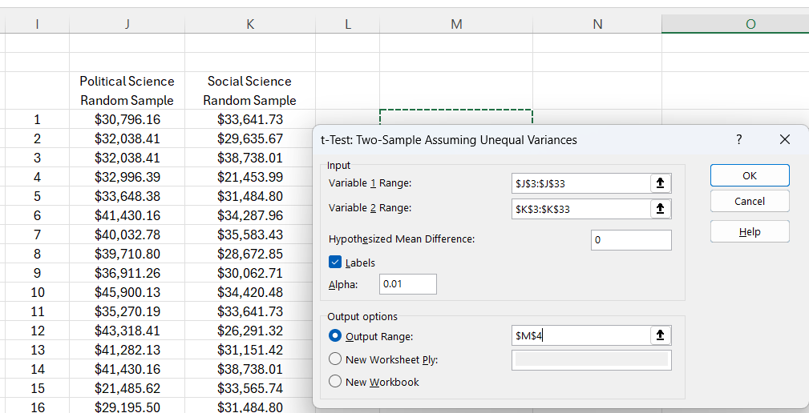
Social Sciences | 26452.45 | 14 | $41,430.16 | $38,738.01
Social Sciences | 24104.97 | 15 | $21,485.62 | $33,565.74
Social Sciences | 26744.06 | 16 | $29,195.50 | $31,484.80
Social Sciences | 31483.59 | 17 | $45,141.81 | $32,194.59
Social Sciences | 31151.42 | 18 | $34,492.08 | $35,746.22
Social Sciences | 34420.48 | 19 | $27,893.26 | $28,281.25
Social Sciences | 31219.14 | 20 | $38,591.54 | $31,405.48
Social Sciences | 28442.80 | 21 | $33,726.58 | $32,194.59
Social Sciences | 34201.58 | 22 | $29,832.22 | $35,987.41
Social Sciences | 28672.85 | 23 | $32,154.94 | $35,583.43
Social Sciences | 31539.27 | 24 | $34,686.49 | $34,227.49
Social Sciences | 29635.67 | 25 | $25,607.82 | $25,758.88
Social Sciences | 33354.29 | 26 | $33,726.58 | $34,373.99
Social Sciences | 27632.08 | 27 | $37,782.86 | $25,658.83
Social Sciences | 31224.46 | 28 | $35,507.83 | $34,201.58
Social Sciences | 27606.40 | 29 | $33,955.21 | $31,151.42
Social Sciences | 42555.19 | 30 | $25,883.03 | $33,641.73
Social Sciences | 28058.51
Social Sciences | 31936.90
Social Sciences | 31405.48
Social Sciences | 37894.44
Social Sciences | 38738.01
Social Sciences | 33641.73
Social Sciences | 26235.13
Social Sciences | 31703.38
Social Sciences | 19855.69
Social Sciences | 36180.23
Social Sciences | 27408.49
...

ANOVA Manual
...
 |  | Group A | Group B | Group C
 |  | 82 | 78 | 90
 |  | 88 | 75 | 92
 |  | 84 | 80 | 95
 |  | 90 | 82 | 91
 |  | 85 | 77 | 94

5 | Compute Group Mean | 85.8 | 78.4 | 92.4
6 | Compute Overall Mean | 85.53

7 | Sum of Squares Between Groups (SSB)
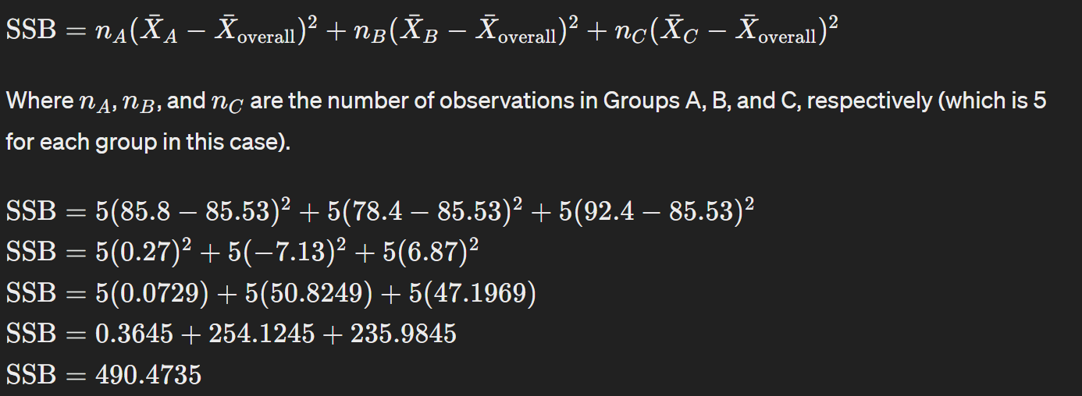

 |  |  |  |  |  | Or we can compute the Sum of Squares Total (SST)
 |  |  |  |  |  | And since SST = SSW + SSB
 |  |  |  |  |  | We can compute SSW = SST - SSB OR SSB = SST - SSW
 |  |  |  |  |  | 12.48 | 56.75 | 19.95
 |  |  |  |  |  | 6.08 | 110.95 | 41.82
 |  |  |  |  |  | 2.35 | 30.62 | 89.62
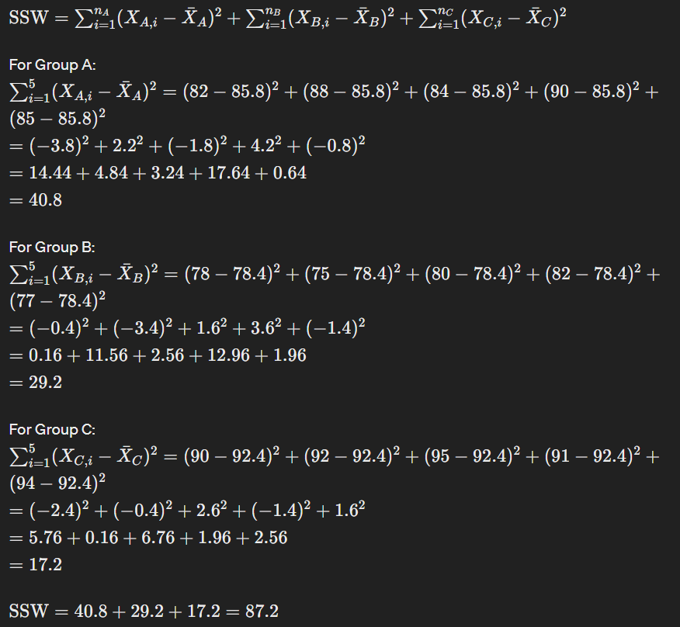
 |  |  |  |  |  | 19.95 | 12.48 | 29.88
 | SSB | =5*(C22-C23)^2+5*(D22-C23)^2+5*(E22-C23)^2 |  |  | 490.53333333 | 0.28 | 72.82 | 71.68
 |  |  |  |  |  | 577.73
8 | Sum of Squares Within Group (SSW)

 |  | 14.44 | 0.16 | 5.76
 |  | 4.84 | 11.56 | 0.16
 |  |  | 2.56 | 6.76
 |  |  | 12.96 | 1.96
 |  |  | 1.96 | 2.56
 |  |  | 29.2 | 17.2
 |  |  |  | 87.2

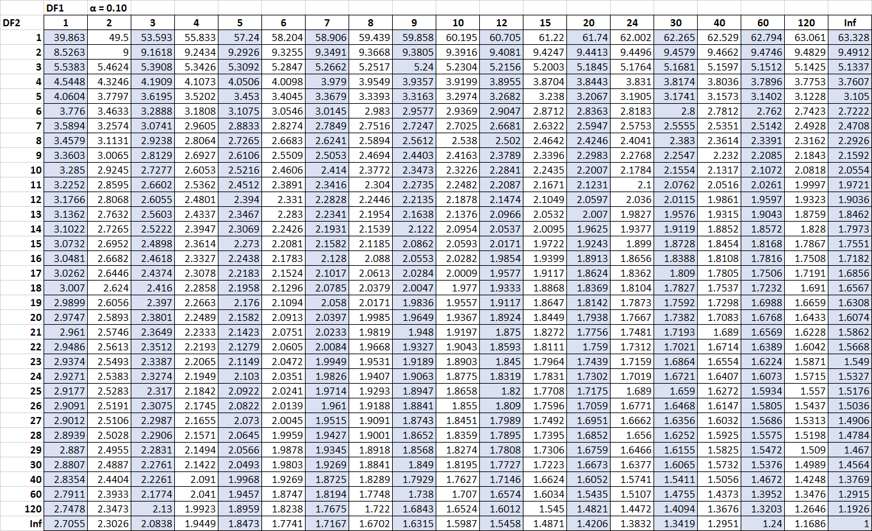

10 | Calculate the mean squares
 | MSB | 245.26666667
 | MSW | 7.2666666667

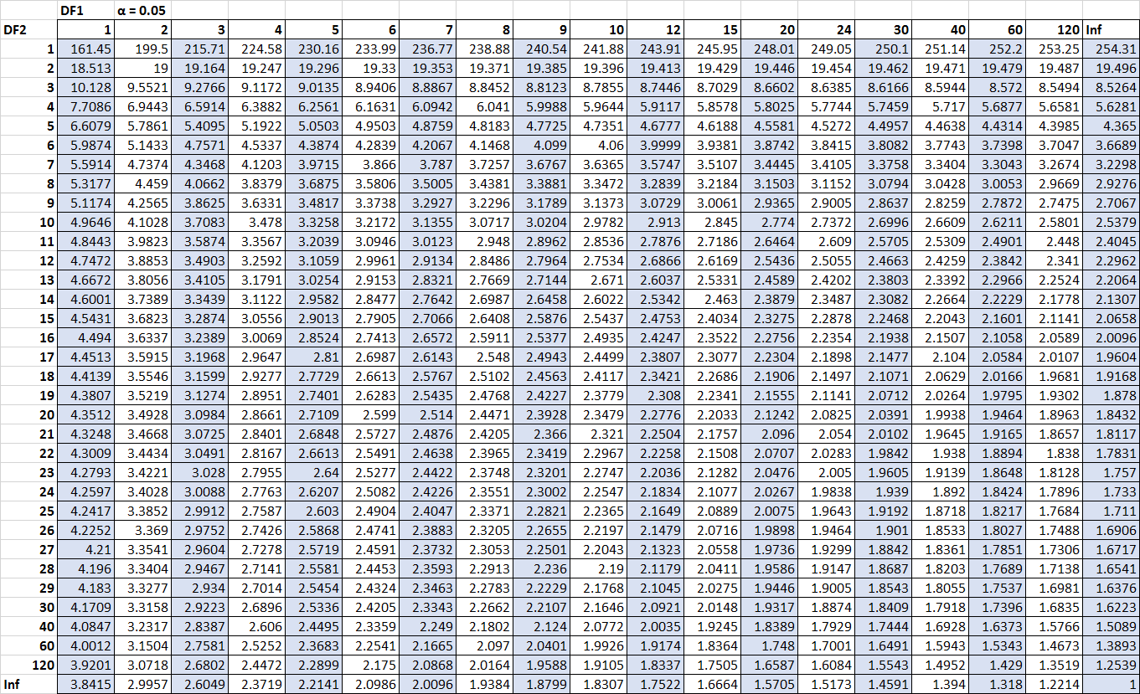

11 | Compute F Statistic | MS Between / MS Within
 |  | 33.752293578
Compare the F-Statistic to the Critical Value
To determine if the F-statistic is significant, compare it to the critical value from the F-distribution table at a chosen significance level (e.g., 𝛼=0.05α=0.05) for 𝑑𝑓𝑏𝑒𝑡𝑤𝑒𝑒𝑛=2dfbetween​=2 and 𝑑𝑓𝑤𝑖𝑡ℎ𝑖𝑛=12dfwithin​=12.
Conclusion
If the computed F-statistic is greater than the critical value from the F-distribution table, we reject the null hypothesis and conclude that there are significant differences between the group means. Otherwise, we fail to reject the null hypothesis.
Since we have computed 𝐹=33.73F=33.73, which is typically much larger than the critical value for 𝑑𝑓𝑏𝑒𝑡𝑤𝑒𝑒𝑛=2dfbetween​=2 and 𝑑𝑓𝑤𝑖𝑡ℎ𝑖𝑛=12dfwithin​=12 at 𝛼=0.05α=0.05 (around 3.88), we would reject the null hypothesis and conclude that there are significant differences between the group means.

 | =F.INV.RT(0.05,2,12) |  |  | 3.8852938347

Z-Table > 0
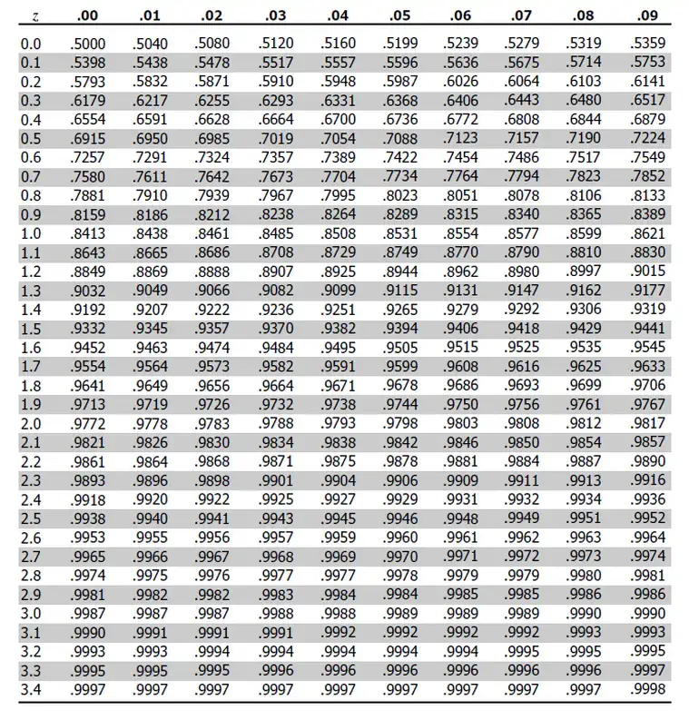
0.04 | 0.05 | 0.06 | 0.07 | 0.08 | 0.09
0.516 | 0.5199 | 0.5239 | 0.5279 | 0.5319 | 0.5359
0.5557 | 0.5596 | 0.5636 | 0.5675 | 0.5714 | 0.5753
0.5948 | 0.5987 | 0.6026 | 0.6064 | 0.6103 | 0.6141
0.6331 | 0.6368 | 0.6406 | 0.6443 | 0.648 | 0.6517
0.67 | 0.6736 | 0.6772 | 0.6808 | 0.6844 | 0.6879
0.7054 | 0.7088 | 0.7123 | 0.7157 | 0.719 | 0.7224
0.7389 | 0.7422 | 0.7454 | 0.7486 | 0.7517 | 0.7549
0.7704 | 0.7734 | 0.7764 | 0.7794 | 0.7823 | 0.7852
0.7995 | 0.8023 | 0.8051 | 0.8078 | 0.8106 | 0.8133
0.8264 | 0.8289 | 0.8315 | 0.834 | 0.8365 | 0.8389
0.8508 | 0.8531 | 0.8554 | 0.8577 | 0.8599 | 0.8621
0.8729 | 0.8749 | 0.877 | 0.879 | 0.881 | 0.883
0.8925 | 0.8944 | 0.8962 | 0.898 | 0.8997 | 0.9015
0.9099 | 0.9115 | 0.9131 | 0.9147 | 0.9162 | 0.9177
0.9251 | 0.9265 | 0.9279 | 0.9292 | 0.9306 | 0.9319
0.9382 | 0.9394 | 0.9406 | 0.9418 | 0.9429 | 0.9441
0.9495 | 0.9505 | 0.9515 | 0.9525 | 0.9535 | 0.9545
0.9591 | 0.9599 | 0.9608 | 0.9616 | 0.9625 | 0.9633
0.9671 | 0.9678 | 0.9686 | 0.9693 | 0.9699 | 0.9706
0.9738 | 0.9744 | 0.975 | 0.9756 | 0.9761 | 0.9767
0.9793 | 0.9798 | 0.9803 | 0.9808 | 0.9812 | 0.9817
0.9838 | 0.9842 | 0.9846 | 0.985 | 0.9854 | 0.9857
0.9875 | 0.9878 | 0.9881 | 0.9884 | 0.9887 | 0.989
0.9904 | 0.9906 | 0.9909 | 0.9911 | 0.9913 | 0.9916
0.9927 | 0.9929 | 0.9931 | 0.9932 | 0.9934 | 0.9936
0.9945 | 0.9946 | 0.9948 | 0.9949 | 0.9951 | 0.9952
0.9959 | 0.996 | 0.9961 | 0.9962 | 0.9963 | 0.9964
0.9969 | 0.997 | 0.9971 | 0.9972 | 0.9973 | 0.9974
0.9977 | 0.9978 | 0.9979 | 0.9979 | 0.998 | 0.9981
0.9984 | 0.9984 | 0.9985 | 0.9985 | 0.9986 | 0.9986
0.9988 | 0.9989 | 0.9989 | 0.9989 | 0.999 | 0.999
0.9992 | 0.9992 | 0.9992 | 0.9992 | 0.9993 | 0.9993
0.9994 | 0.9994 | 0.9994 | 0.9995 | 0.9995 | 0.9995
0.9996 | 0.9996 | 0.9996 | 0.9996 | 0.9996 | 0.9997
0.9997 | 0.9997 | 0.9997 | 0.9997 | 0.9997 | 0.9998

Z-Table < 0
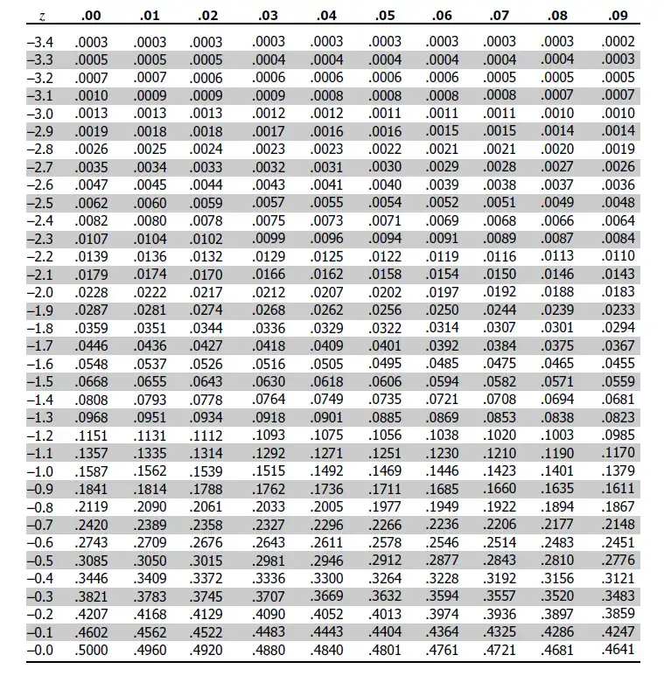
0.04 | 0.05 | 0.06 | 0.07 | 0.08 | 0.09
0.0003 | 0.0003 | 0.0003 | 0.0003 | 0.0003 | 0.0002
0.0004 | 0.0004 | 0.0004 | 0.0004 | 0.0004 | 0.0003
0.0006 | 0.0006 | 0.0006 | 0.0005 | 0.0005 | 0.0005
0.0008 | 0.0008 | 0.0008 | 0.0008 | 0.0007 | 0.0007
0.0012 | 0.0011 | 0.0011 | 0.0011 | 0.001 | 0.001
0.0016 | 0.0016 | 0.0015 | 0.0015 | 0.0014 | 0.0014
0.0023 | 0.0022 | 0.0021 | 0.0021 | 0.002 | 0.0019
0.0031 | 0.003 | 0.0029 | 0.0028 | 0.0027 | 0.0026
0.0041 | 0.004 | 0.0039 | 0.0038 | 0.0037 | 0.0036
0.0055 | 0.0054 | 0.0052 | 0.0051 | 0.0049 | 0.0048
0.0073 | 0.0071 | 0.0069 | 0.0068 | 0.0066 | 0.0064
0.0096 | 0.0094 | 0.0091 | 0.0089 | 0.0087 | 0.0084
0.0125 | 0.0122 | 0.0119 | 0.0116 | 0.0113 | 0.011
0.0162 | 0.0158 | 0.0154 | 0.015 | 0.0146 | 0.0143
0.0207 | 0.0202 | 0.0197 | 0.0192 | 0.0188 | 0.0183
0.0262 | 0.0256 | 0.025 | 0.0244 | 0.0239 | 0.0233
0.0329 | 0.0322 | 0.0314 | 0.0307 | 0.0301 | 0.0294
0.0409 | 0.0401 | 0.0392 | 0.0384 | 0.0375 | 0.0367
0.0505 | 0.0495 | 0.0485 | 0.0475 | 0.0465 | 0.0455
0.0618 | 0.0606 | 0.0594 | 0.0582 | 0.0571 | 0.0559
0.0749 | 0.0735 | 0.0721 | 0.0708 | 0.0694 | 0.0681
0.0901 | 0.0885 | 0.0869 | 0.0853 | 0.0838 | 0.0823
0.1075 | 0.1056 | 0.1038 | 0.102 | 0.1003 | 0.0985
0.1271 | 0.1251 | 0.123 | 0.121 | 0.119 | 0.117
0.1492 | 0.1469 | 0.1446 | 0.1423 | 0.1401 | 0.1379
0.1736 | 0.1711 | 0.1685 | 0.166 | 0.1635 | 0.1611
0.2005 | 0.1977 | 0.1949 | 0.1922 | 0.1894 | 0.1867
0.2296 | 0.2266 | 0.2236 | 0.2206 | 0.2177 | 0.2148
0.2611 | 0.2578 | 0.2546 | 0.2514 | 0.2483 | 0.2451
0.2946 | 0.2912 | 0.2877 | 0.2843 | 0.281 | 0.2776
0.33 | 0.3264 | 0.3228 | 0.3192 | 0.3156 | 0.3121
0.3669 | 0.3632 | 0.3594 | 0.3557 | 0.352 | 0.3483
0.4052 | 0.4013 | 0.3974 | 0.3936 | 0.3897 | 0.3859
0.4443 | 0.4404 | 0.4364 | 0.4325 | 0.4286 | 0.4247
...

T-Distribution
 | 1 Degree of Freedom | 3 Degrees of Freedom | 30 Degrees of Freedom
-3 | 0.031830988618 | 0.022972037309 | 0.0067790627461
-2.9 | 0.033826767926 | 0.025409183885 | 0.0085858698631
-2.8 | 0.036007905677 | 0.028151623178 | 0.010825016894
-2.7 | 0.038396849962 | 0.031241455257 | 0.0135827942
-2.6 | 0.04101931523 | 0.034726608402 | 0.016957068343
-2.5 | 0.043904811887 | 0.038661485727 | 0.021057019221
-2.4 | 0.04708726127 | 0.043107594876 | 0.026002173733
-2.3 | 0.050605705276 | 0.04813410976 | 0.031920549432
-2.2 | 0.054505117497 | 0.053818288157 | 0.038945725133
-2.1 | 0.058837317224 | 0.06024563539 | 0.047212678194
-2 | 0.063661977237 | 0.067509660664 | 0.056852275047
-1.9 | 0.069047697654 | 0.075711018068 | 0.067984376569
-1.8 | 0.075073086364 | 0.08495575928 | 0.080709624798
-1.7 | 0.081827734237 | 0.095352353202 | 0.095100110953
-1.6 | 0.089412889377 | 0.10700705749 | 0.11118928083
-1.5 | 0.097941503441 | 0.12001717451 | 0.12896160174
-1.4 | 0.10753712371 | 0.13446171682 | 0.14834267892
-1.3 | 0.11833081271 | 0.15038908591 | 0.16919064854
-1.2 | 0.13045487139 | 0.16780158736 | 0.19128976491
-1.1 | 0.14403162271 | 0.18663702939 | 0.21434711786
-1 | 0.15915494309 | 0.20674833578 | 0.23799334232
-0.9 | 0.17586181557 | 0.22788306587 | 0.2617880021
-0.8 | 0.19409139401 | 0.24966590482 | 0.28523004321
-0.7 | 0.2136307961 | 0.27158835909 | 0.30777333104
-0.6 | 0.2340513869 | 0.29301067996 | 0.32884683827
-0.5 | 0.25464790895 | 0.31318091101 | 0.3478785797
-0.4 | 0.2744050743 | 0.33127437235 | 0.36432194853
-0.3 | 0.29202741852 | 0.34645357427 | 0.37768275261
-0.2 | 0.30606719825 | 0.35794379464 | 0.38754503154
-0.1 | 0.31515830315 | 0.36511444383 | 0.39359369563
0 | 0.31830988618 | 0.36755259695 | 0.39563218489
0.1 | 0.31515830315 | 0.36511444383 | 0.39359369563
0.2 | 0.30606719825 | 0.35794379464 | 0.38754503154
0.3 | 0.29202741852 | 0.34645357427 | 0.37768275261
0.4 | 0.2744050743 | 0.33127437235 | 0.36432194853
0.5 | 0.25464790895 | 0.31318091101 | 0.3478785797
0.6 | 0.2340513869 | 0.29301067996 | 0.32884683827
0.7 | 0.2136307961 | 0.27158835909 | 0.30777333104
0.8 | 0.19409139401 | 0.24966590482 | 0.28523004321
0.9 | 0.17586181557 | 0.22788306587 | 0.2617880021
1 | 0.15915494309 | 0.20674833578 | 0.23799334232
1.1 | 0.14403162271 | 0.18663702939 | 0.21434711786
1.2 | 0.13045487139 | 0.16780158736 | 0.19128976491
1.3 | 0.11833081271 | 0.15038908591 | 0.16919064854
1.4 | 0.10753712371 | 0.13446171682 | 0.14834267892
1.5 | 0.097941503441 | 0.12001717451 | 0.12896160174
1.6 | 0.089412889377 | 0.10700705749 | 0.11118928083
1.7 | 0.081827734237 | 0.095352353202 | 0.095100110953
1.8 | 0.075073086364 | 0.08495575928 | 0.080709624798
1.9 | 0.069047697654 | 0.075711018068 | 0.067984376569
...
 | 1 Degree of Freedom | 3 Degrees of Freedom | 30 Degrees of Freedom
-3 | 0.031830988618 | 0.022972037309 | 0.0067790627461
-2.9 | 0.033826767926 | 0.025409183885 | 0.0085858698631
-2.8 | 0.036007905677 | 0.028151623178 | 0.010825016894
-2.7 | 0.038396849962 | 0.031241455257 | 0.0135827942
-2.6 | 0.04101931523 | 0.034726608402 | 0.016957068343
-2.5 | 0.043904811887 | 0.038661485727 | 0.021057019221
-2.4 | 0.04708726127 | 0.043107594876 | 0.026002173733
-2.3 | 0.050605705276 | 0.04813410976 | 0.031920549432
-2.2 | 0.054505117497 | 0.053818288157 | 0.038945725133
-2.1 | 0.058837317224 | 0.06024563539 | 0.047212678194
-2 | 0.063661977237 | 0.067509660664 | 0.056852275047
-1.9 | 0.069047697654 | 0.075711018068 | 0.067984376569
-1.8 | 0.075073086364 | 0.08495575928 | 0.080709624798
-1.7 | 0.081827734237 | 0.095352353202 | 0.095100110953
-1.6 | 0.089412889377 | 0.10700705749 | 0.11118928083
-1.5 | 0.097941503441 | 0.12001717451 | 0.12896160174
-1.4 | 0.10753712371 | 0.13446171682 | 0.14834267892
-1.3 | 0.11833081271 | 0.15038908591 | 0.16919064854
-1.2 | 0.13045487139 | 0.16780158736 | 0.19128976491
-1.1 | 0.14403162271 | 0.18663702939 | 0.21434711786
-1 | 0.15915494309 | 0.20674833578 | 0.23799334232
-0.9 | 0.17586181557 | 0.22788306587 | 0.2617880021
-0.8 | 0.19409139401 | 0.24966590482 | 0.28523004321
-0.7 | 0.2136307961 | 0.27158835909 | 0.30777333104
-0.6 | 0.2340513869 | 0.29301067996 | 0.32884683827
-0.5 | 0.25464790895 | 0.31318091101 | 0.3478785797
-0.4 | 0.2744050743 | 0.33127437235 | 0.36432194853
...

T-Table
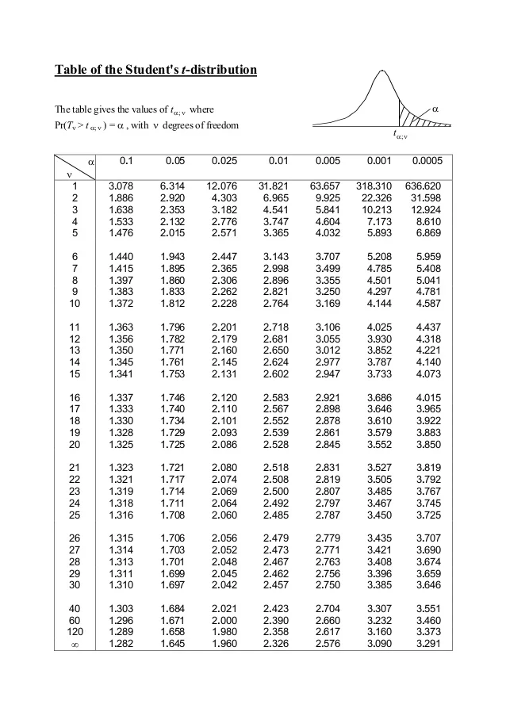
 |  |  |  |  |  | https://datatab.net/tutorial/t-distribution | The site states 1-alpha, we need to modify its header
0.05 | 0.025 | 0.01 | 0.005 | 0.001 | 0.0005
6.314 | 12.71 | 31.82 | 63.66 | 318.31 | 636.62
2.92 | 4.303 | 6.965 | 9.925 | 22.327 | 31.599
2.353 | 3.182 | 4.541 | 5.841 | 10.215 | 12.924
2.132 | 2.776 | 3.747 | 4.604 | 7.173 | 8.61
2.015 | 2.571 | 3.365 | 4.032 | 5.893 | 6.869
1.943 | 2.447 | 3.143 | 3.707 | 5.208 | 5.959
1.895 | 2.365 | 2.998 | 3.499 | 4.785 | 5.408
1.86 | 2.306 | 2.896 | 3.355 | 4.501 | 5.041
1.833 | 2.262 | 2.821 | 3.25 | 4.297 | 4.781
1.812 | 2.228 | 2.764 | 3.169 | 4.144 | 4.587
1.796 | 2.201 | 2.718 | 3.106 | 4.025 | 4.437
1.782 | 2.179 | 2.681 | 3.055 | 3.93 | 4.318
1.771 | 2.16 | 2.65 | 3.012 | 3.852 | 4.221
1.761 | 2.145 | 2.624 | 2.977 | 3.787 | 4.14
1.753 | 2.131 | 2.602 | 2.947 | 3.733 | 4.073
1.746 | 2.12 | 2.583 | 2.921 | 3.686 | 4.015
1.74 | 2.11 | 2.567 | 2.898 | 3.646 | 3.965
1.734 | 2.101 | 2.552 | 2.878 | 3.61 | 3.922
1.729 | 2.093 | 2.539 | 2.861 | 3.579 | 3.883
1.725 | 2.086 | 2.528 | 2.845 | 3.552 | 3.85
1.721 | 2.08 | 2.518 | 2.831 | 3.527 | 3.819
1.717 | 2.074 | 2.508 | 2.819 | 3.505 | 3.792
1.714 | 2.069 | 2.5 | 2.807 | 3.485 | 3.768
1.711 | 2.064 | 2.492 | 2.797 | 3.467 | 3.745
1.708 | 2.06 | 2.485 | 2.787 | 3.45 | 3.725
1.706 | 2.056 | 2.479 | 2.779 | 3.435 | 3.707
1.703 | 2.052 | 2.473 | 2.771 | 3.421 | 3.69
1.701 | 2.048 | 2.467 | 2.763 | 3.408 | 3.674
1.699 | 2.045 | 2.462 | 2.756 | 3.396 | 3.659
1.697 | 2.042 | 2.457 | 2.75 | 3.385 | 3.646
1.684 | 2.021 | 2.423 | 2.704 | 3.307 | 3.551
1.671 | 2 | 2.39 | 2.66 | 3.232 | 3.46
1.664 | 1.99 | 2.374 | 2.639 | 3.195 | 3.416
1.66 | 1.984 | 2.364 | 2.626 | 3.174 | 3.39
1.646 | 1.962 | 2.33 | 2.581 | 3.098 | 3.3

